VBAIX 6040 Data
Pricing Date | VBIA.X | NAV Per Share (Monthly)($) | Monthly Returns (%) | Yearly Returns (%) | Yearly STDEV | Full year | Year | Returns (%) | StDev
2024-12-31 | 48.48 | -5.57% | 8.75% | 0.0279 | 2024-12-31 | 2024 | 8.75% | 0.027930406142 | Vanguard Valley Forge Funds - Vanguard Balanced Index Fund | Stock Chart
2024-11-29 | 51.34 | 4.46% |  |  | 2023-12-29 | 2023 | 12.43% | 0.032591063139
2024-10-31 | 49.15 | -1.40% |  |  | 2022-12-30 | 2022 | -19.11% | 0.045891380436 | VBIN.X (MI Key: 5899279; SPCIQ Key: 28113527)
2024-09-30 | 49.85 | 1.24% |  |  | 2021-12-31 | 2021 | 10.55% | 0.018718400757
2024-08-30 | 49.24 | 1.88% |  |  | 2020-12-31 | 2020 | 13.03% | 0.048731474838 | See Data Tab for underlying data
2024-07-31 | 48.33 | 2.01% |  |  | 2019-12-31 | 2019 | 18.91% | 0.020867914054
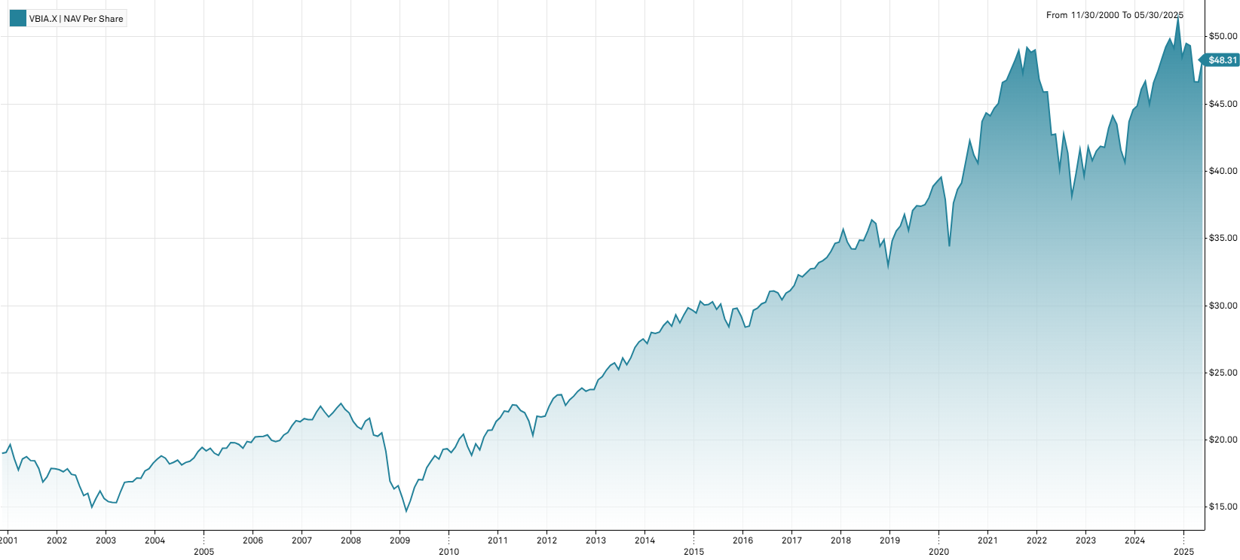
2024-06-28 | 47.38 | 1.72% |  |  | 2018-12-31 | 2018 | -4.98% | 0.02629846333
2024-05-31 | 46.58 | 3.53% |  |  | 2017-12-29 | 2017 | 11.60% | 0.0076098595303
2024-04-30 | 44.99 | -3.64% |  |  | 2016-12-30 | 2016 | 6.47% | 0.017330881702
2024-03-28 | 46.69 | 1.32% |  |  | 2015-12-31 | 2015 | -1.55% | 0.022088661208
2024-02-29 | 46.08 | 2.72% |  |  | 2014-12-31 | 2014 | 7.85% | 0.016416774934
2024-01-31 | 44.86 | 0.63% |  |  | 2013-12-31 | 2013 | 15.82% | 0.016352713481
2023-12-29 | 44.58 | 2.06% | 12.43% | 0.0326 | 2012-12-31 | 2012 | 9.09% | 0.016722186115
2023-11-30 | 43.68 | 7.40% |  |  | 2011-12-30 | 2011 | 1.87% | 0.028450789354
2023-10-31 | 40.67 | -2.19% |  |  | 2010-12-31 | 2010 | 10.49% | 0.029724072254
2023-09-29 | 41.58 | -4.39% |  |  | 2009-12-31 | 2009 | 16.57% | 0.039282449301
2023-08-31 | 43.49 | -1.43% |  |  | 2008-12-31 | 2008 | -24.61% | 0.039692084149
2023-07-31 | 44.12 | 2.13%
2023-06-30 | 43.20 | 3.40%
2023-05-31 | 41.78 | -0.19%
2023-04-28 | 41.86 | 0.87%
2023-03-31 | 41.50 | 1.74%
2023-02-28 | 40.79 | -2.42%
2023-01-31 | 41.80 | 5.42%
2022-12-30 | 39.65 | -4.76% | -19.11% | 0.0459
2022-11-30 | 41.63 | 4.62%
2022-10-31 | 39.79 | 4.27%
2022-09-30 | 38.16 | -7.71%
2022-08-31 | 41.35 | -3.30%
2022-07-29 | 42.76 | 6.50%
2022-06-30 | 40.15 | -6.10%
2022-05-31 | 42.76 | 0.14%
2022-04-29 | 42.70 | -6.99%
2022-03-31 | 45.91 | 0.04%
2022-02-28 | 45.89 | -1.97%
2022-01-31 | 46.81 | -4.51%
2021-12-31 | 49.02 | 0.37% | 10.55% | 0.0187
2021-11-30 | 48.84 | -0.75%
2021-10-29 | 49.21 | 4.04%
2021-09-30 | 47.30 | -3.45%
2021-08-31 | 48.99 | 1.66%
2021-07-30 | 48.19 | 1.50%
2021-06-30 | 47.48 | 1.52%
2021-05-28 | 46.77 | 0.36%
2021-04-30 | 46.60 | 3.46%
2021-03-31 | 45.04 | 0.78%
2021-02-26 | 44.69 | 1.29%
2021-01-29 | 44.12 | -0.50%
2020-12-31 | 44.34 | 1.46% | 13.03% | 0.0487
2020-11-30 | 43.70 | 7.64%
2020-10-30 | 40.60 | -1.46%
2020-09-30 | 41.20 | -2.53%
2020-08-31 | 42.27 | 3.88%
2020-07-31 | 40.69 | 3.99%
2020-06-30 | 39.13 | 1.27%
2020-05-29 | 38.64 | 2.66%
2020-04-29 | 37.64 | 9.42%
2020-03-31 | 34.40 | -9.21%
2020-02-28 | 37.89 | -4.22%
2020-01-31 | 39.56 | 0.84%
2019-12-31 | 39.23 | 0.90% | 18.91% | 0.0209
2019-11-29 | 38.88 | 2.24%
2019-10-31 | 38.03 | 1.39%
2019-09-30 | 37.51 | 0.32%
2019-08-30 | 37.39 | -0.11%
2019-07-31 | 37.43 | 0.97%
2019-06-28 | 37.07 | 4.13%
2019-05-31 | 35.60 | -3.21%
2019-04-30 | 36.78 | 2.39%
2019-03-29 | 35.92 | 1.01%
2019-02-28 | 35.56 | 2.10%
2019-01-31 | 34.83 | 5.58%
2018-12-31 | 32.99 | -5.50% | -4.98% | 0.0263
2018-11-30 | 34.91 | 1.45%
2018-10-31 | 34.41 | -4.71%
2018-09-28 | 36.11 | -0.71%
2018-08-31 | 36.37 | 2.34%
2018-07-31 | 35.54 | 2.01%
2018-06-29 | 34.84 | -0.11%
2018-05-31 | 34.88 | 1.96%
2018-04-30 | 34.21 | -0.06%
2018-03-29 | 34.23 | -1.47%
2018-02-28 | 34.74 | -2.61%
2018-01-31 | 35.67 | 2.74%
2017-12-29 | 34.72 | 0.26% | 11.60% | 0.0076
2017-11-30 | 34.63 | 1.76%
2017-10-31 | 34.03 | 1.34%
2017-09-29 | 33.58 | 0.72%
2017-08-31 | 33.34 | 0.45%
2017-07-31 | 33.19 | 1.28%
2017-06-30 | 32.77 | 0.09%
2017-05-31 | 32.74 | 0.92%
2017-04-28 | 32.44 | 0.93%
2017-03-31 | 32.14 | -0.46%
2017-02-28 | 32.29 | 2.51%
2017-01-31 | 31.50 | 1.25%
2016-12-30 | 31.11 | 0.58% | 6.47% | 0.0173
2016-11-30 | 30.93 | 1.64%
2016-10-31 | 30.43 | -1.68%
2016-09-30 | 30.95 | -0.45%
2016-08-31 | 31.09 | 0.10%
2016-07-29 | 31.06 | 2.64%
2016-06-30 | 30.26 | 0.43%
2016-05-31 | 30.13 | 1.07%
2016-04-29 | 29.81 | 0.54%
2016-03-31 | 29.65 | 4.11%
2016-02-29 | 28.48 | 0.28%
2016-01-29 | 28.40 | -2.81%
2015-12-31 | 29.22 | -1.98% | -1.55% | 0.0221
2015-11-30 | 29.81 | 0.20%
2015-10-30 | 29.75 | 4.64%
2015-09-30 | 28.43 | -1.97%
2015-08-31 | 29 | -3.69%
2015-07-31 | 30.11 | 1.31%
2015-06-30 | 29.72 | -1.85%
2015-05-29 | 30.28 | 0.66%
2015-04-30 | 30.08 | 0.10%
2015-03-31 | 30.05 | -0.89%
2015-02-27 | 30.32 | 2.95%
2015-01-30 | 29.45 | -0.77%
2014-12-31 | 29.68 | -0.54% | 7.85% | 0.0164
2014-11-28 | 29.84 | 1.77%
2014-10-31 | 29.32 | 2.09%
2014-09-30 | 28.72 | -2.01%
2014-08-29 | 29.31 | 2.95%
2014-07-31 | 28.47 | -1.28%
2014-06-30 | 28.84 | 1.12%
2014-05-30 | 28.52 | 1.75%
2014-04-30 | 28.03 | 0.36%
2014-03-31 | 27.93 | -0.25%
2014-02-28 | 28 | 3.02%
2014-01-31 | 27.18 | -1.24%
2013-12-31 | 27.52 | 0.81% | 15.82% | 0.0164
2013-11-29 | 27.30 | 1.56%
2013-10-31 | 26.88 | 2.87%
2013-09-30 | 26.13 | 2.07%
2013-08-30 | 25.60 | -1.92%
2013-07-31 | 26.10 | 3.37%
2013-06-28 | 25.25 | -1.90%
2013-05-31 | 25.74 | 0.70%
2013-04-30 | 25.56 | 1.43%
2013-03-28 | 25.20 | 1.94%
2013-02-28 | 24.72 | 0.98%
2013-01-31 | 24.48 | 3.03%
2012-12-31 | 23.76 | 0.00% | 9.09% | 0.0167
2012-11-30 | 23.76 | 0.55%
2012-10-31 | 23.63 | -1.01%
2012-09-28 | 23.87 | 1.06%
2012-08-31 | 23.62 | 1.55%
2012-07-31 | 23.26 | 1.17%
2012-06-29 | 22.99 | 1.82%
2012-05-31 | 22.58 | -3.38%
2012-04-30 | 23.37 | 0.09%
2012-03-30 | 23.35 | 1.13%
2012-02-29 | 23.09 | 2.53%
2012-01-31 | 22.52 | 3.40%
2011-12-30 | 21.78 | 0.32% | 1.87% | 0.0285
2011-11-30 | 21.71 | -0.28%
2011-10-31 | 21.77 | 6.98%
2011-09-30 | 20.35 | -5.00%
2011-08-31 | 21.42 | -2.77%
2011-07-29 | 22.03 | -0.72%
2011-06-30 | 22.19 | -1.73%
2011-05-31 | 22.58 | -0.18%
2011-04-29 | 22.62 | 2.35%
2011-03-31 | 22.10 | -0.27%
2011-02-28 | 22.16 | 2.26%
2011-01-31 | 21.67 | 1.36%
2010-12-31 | 21.38 | 3.04% | 10.49% | 0.0297
2010-11-30 | 20.75 | 0.14%
2010-10-29 | 20.72 | 2.52%
2010-09-30 | 20.21 | 4.88%
2010-08-31 | 19.27 | -2.28%
2010-07-30 | 19.72 | 4.50%
2010-06-30 | 18.87 | -3.33%
2010-05-28 | 19.52 | -4.45%
2010-04-30 | 20.43 | 1.74%
2010-03-31 | 20.08 | 3.19%
2010-02-26 | 19.46 | 2.05%
2010-01-29 | 19.07 | -1.45%
2009-12-31 | 19.35 | 0.26% | 16.57% | 0.0393
2009-11-30 | 19.30 | 3.88%
2009-10-30 | 18.58 | -1.33%
2009-09-30 | 18.83 | 2.34%
2009-08-31 | 18.40 | 2.62%
2009-07-31 | 17.93 | 5.28%
2009-06-30 | 17.03 | -0.18%
2009-05-29 | 17.06 | 3.58%
2009-04-30 | 16.47 | 6.40%
2009-03-31 | 15.48 | 5.22%
2009-02-27 | 14.71 | -6.47%
2009-01-30 | 15.73 | -5.24%
2008-12-31 | 16.60 | 1.47% | -24.61% | 0.0397
2008-11-28 | 16.36 | -3.42%
2008-10-31 | 16.94 | -11.59%
2008-09-30 | 19.16 | -6.67%
2008-08-29 | 20.53 | 1.23%
2008-07-31 | 20.28 | -0.44%
2008-06-30 | 20.37 | -5.78%
2008-05-30 | 21.62 | 0.98%
2008-04-30 | 21.41 | 2.88%
2008-03-31 | 20.81 | -0.90%
2008-02-29 | 21 | -1.78%
2008-01-31 | 21.38 | -2.91%
2007-12-31 | 22.02 | -1.17% | 3.09% | 0.0156
2007-11-30 | 22.28 | -1.94%
2007-10-31 | 22.72 | 1.47%
2007-09-28 | 22.39 | 1.68%
2007-08-31 | 22.02 | 1.38%
2007-07-31 | 21.72 | -1.67%
2007-06-29 | 22.09 | -1.87%
2007-05-31 | 22.51 | 1.95%
2007-04-30 | 22.08 | 2.60%
2007-03-30 | 21.52 | 0.00%
2007-02-28 | 21.52 | -0.32%
2007-01-31 | 21.59 | 1.08%
2006-12-29 | 21.36 | -0.37% | 7.77% | 0.0123
2006-11-30 | 21.44 | 1.80%
2006-10-31 | 21.06 | 2.43%
2006-09-29 | 20.56 | 0.93%
2006-08-31 | 20.37 | 2.00%
2006-07-31 | 19.97 | 0.45%
2006-06-30 | 19.88 | -0.50%
2006-05-31 | 19.98 | -1.96%
2006-04-28 | 20.38 | 0.54%
2006-03-31 | 20.27 | 0.05%
2006-02-28 | 20.26 | 0.15%
2006-01-31 | 20.23 | 2.07%
2005-12-30 | 19.82 | -0.35% | 1.90% | 0.0153
2005-11-30 | 19.89 | 2.58%
2005-10-31 | 19.39 | -1.42%
2005-09-30 | 19.67 | -0.66%
2005-08-31 | 19.80 | -0.05%
2005-07-29 | 19.81 | 2.11%
2005-06-30 | 19.40 | 0.05%
2005-05-31 | 19.39 | 2.81%
2005-04-29 | 18.86 | -0.84%
2005-03-31 | 19.02 | -1.86%
2005-02-28 | 19.38 | 0.99%
2005-01-31 | 19.19 | -1.34%
2004-12-31 | 19.45 | 1.62% | 6.40% | 0.0141
2004-11-30 | 19.14 | 2.52%
2004-10-29 | 18.67 | 1.36%
2004-09-30 | 18.42 | 0.49%
2004-08-31 | 18.33 | 0.99%
2004-07-30 | 18.15 | -1.89%
2004-06-30 | 18.50 | 0.87%
2004-05-31 | 18.34 | 0.66%
2004-04-30 | 18.22 | -2.31%
2004-03-31 | 18.65 | -0.90%
2004-02-27 | 18.82 | 1.29%
2004-01-30 | 18.58 | 1.64%
2003-12-31 | 18.28 | 2.29% | 16.81% | 0.0198
2003-11-28 | 17.87 | 0.96%
2003-10-31 | 17.70 | 3.21%
2003-09-30 | 17.15 | -0.17%
2003-08-29 | 17.18 | 1.66%
2003-07-31 | 16.90 | 0.06%
2003-06-30 | 16.89 | 0.24%
2003-05-30 | 16.85 | 4.40%
2003-04-30 | 16.14 | 5.22%
2003-03-31 | 15.34 | -0.13%
2003-02-28 | 15.36 | -0.39%
2003-01-31 | 15.42 | -1.47%
2002-12-31 | 15.65 | -3.45% | -12.37% | 0.0315
2002-11-29 | 16.21 | 3.58%
2002-10-31 | 15.65 | 4.26%
2002-09-30 | 15.01 | -6.36%
2002-08-30 | 16.03 | 1.01%
2002-07-31 | 15.87 | -4.22%
2002-06-28 | 16.57 | -4.66%
2002-05-31 | 17.38 | -0.40%
2002-04-30 | 17.45 | -2.30%
2002-03-29 | 17.86 | 1.25%
2002-02-28 | 17.64 | -0.84%
2002-01-31 | 17.79 | -0.39%
2001-12-31 | 17.86 | -0.17% | -6.39% | 0.0342
2001-11-30 | 17.89 | 3.71%
2001-10-31 | 17.25 | 2.25%
2001-09-28 | 16.87 | -5.65%
2001-08-31 | 17.88 | -3.09%
2001-07-31 | 18.45 | -0.11%
2001-06-29 | 18.47 | -1.55%
2001-05-31 | 18.76 | 0.91%
2001-04-30 | 18.59 | 4.61%
2001-03-30 | 17.77 | -4.51%
2001-02-28 | 18.61 | -5.34%
2001-01-31 | 19.66 | 3.04%
 | 19.08

VV equity data
Pricing Date | VV | Share Price (Monthly)($) | Monthly returns (%) | Yearly Returns (%) | Yearly STDEV | Full year | Year | Returns (%) | StDev
2024-12-31 | 269.70 | -2.75% | 23.63% | 0.02978 | 2024-12-31 | 2024 | 23.63% | 0.029784877287
2024-11-29 | 277.34 | 6.22% |  |  | 2023-12-29 | 2023 | 25.23% | 0.041118230111 | Vanguard Index Funds - Vanguard Large-Cap ETF | Stock Chart
2024-10-31 | 261.09 | -0.84% |  |  | 2022-12-30 | 2022 | -21.18% | 0.064743306661
2024-09-30 | 263.29 | 1.78% |  |  | 2021-12-31 | 2021 | 25.77% | 0.030682644183 | ARCA:VV (MI Key: 5724518; SPCIQ Key: 22939695)
2024-08-30 | 258.69 | 2.52% |  |  | 2020-12-31 | 2020 | 18.87% | 0.073697180118
2024-07-31 | 252.34 | 1.09% |  |  | 2019-12-31 | 2019 | 28.71% | 0.035402911389 | See Data Tab for underlying data
2024-06-28 | 249.62 | 3.36% |  |  | 2018-12-31 | 2018 | -6.30% | 0.042832775702
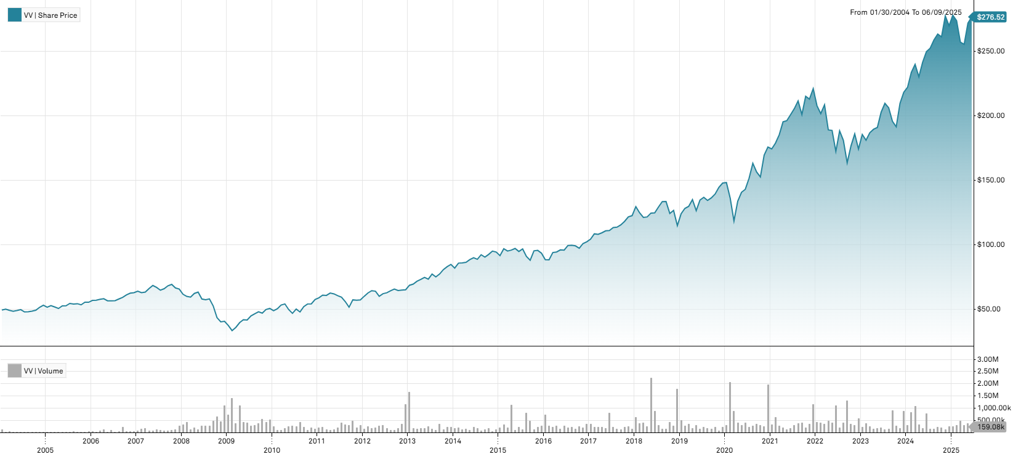
2024-05-31 | 241.51 | 4.92% |  |  | 2017-12-29 | 2017 | 19.74% | 0.011878009961
2024-04-30 | 230.19 | -3.99% |  |  | 2016-12-30 | 2016 | 9.49% | 0.028684124088
2024-03-28 | 239.76 | 2.62% |  |  | 2015-12-31 | 2015 | -0.94% | 0.038578414244
2024-02-29 | 233.64 | 5.24% |  |  | 2014-12-31 | 2014 | 11.31% | 0.023566691669
2024-01-31 | 222.01 | 1.77% |  |  | 2013-12-31 | 2013 | 30.14% | 0.023968390944
2023-12-29 | 218.15 | 4.06% | 25.23% | 0.04112 | 2012-12-31 | 2012 | 13.72% | 0.028799590474
2023-11-30 | 209.63 | 9.48% |  |  | 2011-12-30 | 2011 | -0.54% | 0.045714959915
2023-10-31 | 191.48 | -2.15%
2023-09-29 | 195.69 | -5.08%
2023-08-31 | 206.16 | -1.64%
2023-07-31 | 209.59 | 3.39%
2023-06-30 | 202.72 | 6.19%
2023-05-31 | 190.91 | 0.73%
2023-04-28 | 189.53 | 1.46%
2023-03-31 | 186.81 | 3.20%
2023-02-28 | 181.02 | -2.40%
2023-01-31 | 185.47 | 6.47%
2022-12-30 | 174.20 | -6.31% | -21.18% | 0.06474
2022-11-30 | 185.93 | 5.37%
2022-10-31 | 176.46 | 7.89%
2022-09-30 | 163.56 | -9.59%
2022-08-31 | 180.90 | -3.88%
2022-07-29 | 188.21 | 9.20%
2022-06-30 | 172.35 | -8.63%
2022-05-31 | 188.62 | -0.24%
2022-04-29 | 189.07 | -9.31%
2022-03-31 | 208.49 | 3.40%
2022-02-28 | 201.63 | -2.96%
2022-01-31 | 207.77 | -5.99%
2021-12-31 | 221.02 | 3.81% | 25.77% | 0.03068
2021-11-30 | 212.90 | -1.02%
2021-10-29 | 215.10 | 7.06%
2021-09-30 | 200.92 | -5.00%
2021-08-31 | 211.49 | 2.92%
2021-07-30 | 205.48 | 2.36%
2021-06-30 | 200.75 | 2.33%
2021-05-28 | 196.18 | 0.47%
2021-04-30 | 195.26 | 5.38%
2021-03-31 | 185.30 | 3.65%
2021-02-26 | 178.78 | 2.60%
2021-01-29 | 174.25 | -0.85%
2020-12-31 | 175.74 | 3.69% | 18.87% | 0.07370
2020-11-30 | 169.49 | 11.11%
2020-10-30 | 152.54 | -2.49%
2020-09-30 | 156.44 | -4.09%
2020-08-31 | 163.11 | 7.63%
2020-07-31 | 151.55 | 5.98%
2020-06-30 | 143 | 1.64%
2020-05-29 | 140.69 | 5.16%
2020-04-30 | 133.79 | 12.97%
2020-03-31 | 118.43 | -13.03%
2020-02-28 | 136.17 | -8.14%
2020-01-31 | 148.23 | 0.26%
2019-12-31 | 147.84 | 2.35% | 28.71% | 0.03540
2019-11-29 | 144.45 | 3.70%
2019-10-31 | 139.29 | 2.17%
2019-09-30 | 136.33 | 1.48%
2019-08-30 | 134.34 | -1.77%
2019-07-31 | 136.76 | 1.51%
2019-06-28 | 134.72 | 6.52%
2019-05-31 | 126.47 | -6.34%
2019-04-30 | 135.03 | 4.03%
2019-03-29 | 129.80 | 1.26%
2019-02-28 | 128.19 | 3.28%
2019-01-31 | 124.12 | 8.06%
2018-12-31 | 114.86 | -9.32% | -6.30% | 0.04283
2018-11-30 | 126.66 | 1.92%
2018-10-31 | 124.28 | -6.91%
2018-09-28 | 133.51 | 0.02%
2018-08-31 | 133.48 | 3.26%
2018-07-31 | 129.27 | 3.61%
2018-06-29 | 124.76 | 0.16%
2018-05-31 | 124.56 | 2.44%
2018-04-30 | 121.59 | 0.31%
2018-03-29 | 121.21 | -2.85%
2018-02-28 | 124.77 | -3.71%
2018-01-31 | 129.58 | 5.71%
2017-12-29 | 122.58 | 0.77% | 19.74% | 0.01188
2017-11-30 | 121.64 | 2.98%
2017-10-31 | 118.12 | 2.36%
2017-09-29 | 115.40 | 1.55%
2017-08-31 | 113.64 | 0.28%
2017-07-31 | 113.32 | 2.07%
2017-06-30 | 111.02 | 0.20%
2017-05-31 | 110.80 | 1.38%
2017-04-28 | 109.29 | 1.11%
2017-03-31 | 108.09 | -0.38%
2017-02-28 | 108.50 | 3.97%
2017-01-31 | 104.36 | 1.94%
2016-12-30 | 102.37 | 1.39% | 9.49% | 0.02868
2016-11-30 | 100.97 | 3.71%
2016-10-31 | 97.36 | -1.82%
2016-09-30 | 99.16 | -0.48%
2016-08-31 | 99.64 | 0.17%
2016-07-29 | 99.47 | 3.78%
2016-06-30 | 95.85 | -0.20%
2016-05-31 | 96.04 | 1.72%
2016-04-29 | 94.42 | 0.44%
2016-03-31 | 94.01 | 6.39%
2016-02-29 | 88.36 | -0.14%
2016-01-29 | 88.48 | -5.37%
2015-12-31 | 93.50 | -2.27% | -0.94% | 0.03858
2015-11-30 | 95.67 | 0.35%
2015-10-30 | 95.34 | 8.28%
2015-09-30 | 88.05 | -3.21%
2015-08-31 | 90.97 | -6.03%
2015-07-31 | 96.81 | 2.10%
2015-06-30 | 94.82 | -2.41%
2015-05-29 | 97.16 | 1.31%
2015-04-30 | 95.90 | 0.74%
2015-03-31 | 95.20 | -1.77%
2015-02-27 | 96.92 | 5.81%
2015-01-30 | 91.60 | -2.96%
2014-12-31 | 94.39 | -0.79% | 11.31% | 0.02357
2014-11-28 | 95.14 | 2.76%
2014-10-31 | 92.59 | 2.35%
2014-09-30 | 90.46 | -1.98%
2014-08-29 | 92.29 | 3.98%
2014-07-31 | 88.76 | -1.39%
2014-06-30 | 90.01 | 1.71%
2014-05-30 | 88.50 | 2.36%
2014-04-30 | 86.46 | 0.51%
2014-03-31 | 86.02 | 0.27%
2014-02-28 | 85.79 | 4.65%
2014-01-31 | 81.98 | -3.33%
2013-12-31 | 84.80 | 2.12% | 30.14% | 0.02397
2013-11-29 | 83.04 | 2.81%
2013-10-31 | 80.77 | 4.43%
2013-09-30 | 77.34 | 2.94%
2013-08-30 | 75.13 | -2.86%
2013-07-31 | 77.34 | 5.35%
2013-06-28 | 73.41 | -1.83%
2013-05-31 | 74.78 | 2.20%
2013-04-30 | 73.17 | 1.99%
2013-03-28 | 71.74 | 3.16%
2013-02-28 | 69.54 | 1.36%
2013-01-31 | 68.61 | 5.29%
2012-12-31 | 65.16 | 0.34% | 13.72% | 0.02880
2012-11-30 | 64.94 | 0.64%
2012-10-31 | 64.53 | -1.77%
2012-09-28 | 65.69 | 2.03%
2012-08-31 | 64.38 | 2.52%
2012-07-31 | 62.80 | 1.13%
2012-06-29 | 62.10 | 3.33%
2012-05-31 | 60.10 | -6.15%
2012-04-30 | 64.04 | -0.61%
2012-03-30 | 64.43 | 2.86%
2012-02-29 | 62.64 | 4.24%
2012-01-31 | 60.09 | 4.87%
2011-12-30 | 57.30 | 0.35% | -0.54% | 0.04571
2011-11-30 | 57.10 | -0.44%
2011-10-31 | 57.35 | 11.04%
2011-09-30 | 51.65 | -7.75%
2011-08-31 | 55.99 | -5.69%
2011-07-29 | 59.37 | -2.01%
2011-06-30 | 60.59 | -2.21%
2011-05-31 | 61.96 | -1.01%
2011-04-29 | 62.59 | 2.99%
2011-03-31 | 60.77 | -0.33%
2011-02-28 | 60.97 | 3.44%
2011-01-31 | 58.94 | 2.31%
2010-12-31 | 57.61 | 6.25% | 13.70% | 0.05309
2010-11-30 | 54.22 | 0.15%
2010-10-29 | 54.14 | 3.96%
2010-09-30 | 52.08 | 8.66%
2010-08-31 | 47.93 | -4.54%
2010-07-30 | 50.21 | 7.08%
2010-06-30 | 46.89 | -5.86%
2010-05-28 | 49.81 | -8.05%
2010-04-30 | 54.17 | 1.63%
2010-03-31 | 53.30 | 5.67%
2010-02-26 | 50.44 | 3.11%
2010-01-29 | 48.92 | -3.45%
2009-12-31 | 50.67 | 1.54% | 24.34% | 0.06071
2009-11-30 | 49.90 | 6.03%
2009-10-30 | 47.06 | -2.10%
2009-09-30 | 48.07 | 3.35%
2009-08-31 | 46.51 | 3.70%
2009-07-31 | 44.85 | 7.50%
2009-06-30 | 41.72 | -0.50%
2009-05-29 | 41.93 | 5.72%
2009-04-30 | 39.66 | 10.11%
2009-03-31 | 36.02 | 7.46%
2009-02-27 | 33.52 | -10.57%
2009-01-30 | 37.48 | -8.02%
2008-12-31 | 40.75 | 1.19% | -37.98% | 0.05939
2008-11-28 | 40.27 | -7.62%
2008-10-31 | 43.59 | -17.18%
2008-09-30 | 52.63 | -9.38%
2008-08-29 | 58.08 | 1.11%
2008-07-31 | 57.44 | -0.91%
2008-06-30 | 57.97 | -8.54%
2008-05-30 | 63.38 | 1.72%
2008-04-30 | 62.31 | 4.74%
2008-03-31 | 59.49 | -0.88%
2008-02-29 | 60.02 | -2.64%
2008-01-31 | 61.65 | -6.16%
2007-12-31 | 65.70 | -1.29% | 4.40% | 0.02700
2007-11-30 | 66.56 | -4.00%
2007-10-31 | 69.33 | 1.64%
2007-09-28 | 68.21 | 3.41%
2007-08-31 | 65.96 | 1.79%
2007-07-31 | 64.80 | -3.24%
2007-06-29 | 66.97 | -2.18%
2007-05-31 | 68.46 | 3.57%
2007-04-30 | 66.10 | 4.37%
2007-03-30 | 63.33 | 0.64%
2007-02-28 | 62.93 | -1.81%
2007-01-31 | 64.09 | 1.84%
2006-12-29 | 62.93 | 0.64% | 13.41% | 0.01536
2006-11-30 | 62.53 | 2.22%
2006-10-31 | 61.17 | 3.24%
2006-09-29 | 59.25 | 2.17%
2006-08-31 | 57.99 | 2.19%
2006-07-31 | 56.75 | 0.34%
2006-06-30 | 56.56 | -0.11%
2006-05-31 | 56.62 | -2.76%
2006-04-28 | 58.23 | 0.83%
2006-03-31 | 57.75 | 1.28%
2006-02-28 | 57.02 | 0.21%
2006-01-31 | 56.90 | 2.54%
2005-12-30 | 55.49 | -0.11% | 4.32% | 0.02375
2005-11-30 | 55.55 | 3.85%
2005-10-31 | 53.49 | -1.62%
2005-09-30 | 54.37 | 0.54%
2005-08-31 | 54.08 | -0.93%
2005-07-29 | 54.59 | 3.46%
2005-06-30 | 52.76 | 0.13%
2005-05-31 | 52.69 | 4.03%
2005-04-29 | 50.65 | -2.22%
2005-03-31 | 51.80 | -2.02%
2005-02-28 | 52.87 | 2.32%
2005-01-31 | 51.67 | -2.86%
2004-12-31 | 53.19 | 3.18% | 7.56% | 0.02195
2004-11-30 | 51.55 | 4.56%
2004-10-29 | 49.30 | 1.46%
2004-09-30 | 48.59 | 0.96%
2004-08-31 | 48.13 | 0.27%
2004-07-30 | 48 | -3.52%
2004-06-30 | 49.75 | 1.43%
2004-05-28 | 49.05 | 1.22%
2004-04-30 | 48.46 | -1.50%
2004-03-31 | 49.20 | -1.95%
2004-02-27 | 50.18 | 1.48%
2004-01-30 | 49.45

VB equity data
Pricing Date | VB | Share Price (Monthly)($) | Monthly Returns (%) | Yearly Returns (%) | Yearly STDEV | Full year | Year | Returns (%) | StDev
2024-12-31 | 240.28 | -7.77% | 12.63% | 0.05227 | 2024-12-31 | 2024 | 12.63% | 0.052272758115
2024-11-29 | 260.51 | 10.55% |  |  | 2023-12-29 | 2023 | 16.23% | 0.061961677017 | Vanguard Index Funds - Vanguard Small-Cap ETF | Stock Chart
2024-10-31 | 235.64 | -0.66% |  |  | 2022-12-30 | 2022 | -18.79% | 0.069218736185
2024-09-30 | 237.21 | 1.62% |  |  | 2021-12-31 | 2021 | 16.09% | 0.030257745604 | ARCA:VB (MI Key: 5724521; SPCIQ Key: 22939707)
2024-08-30 | 233.42 | 0.01% |  |  | 2020-12-31 | 2020 | 17.53% | 0.098067938222
2024-07-31 | 233.40 | 7.04% |  |  | 2019-12-31 | 2019 | 25.49% | 0.046808588817 | See Data Tab for underlying data
2024-06-28 | 218.04 | -1.91% |  |  | 2018-12-31 | 2018 | -10.70% | 0.050935914954
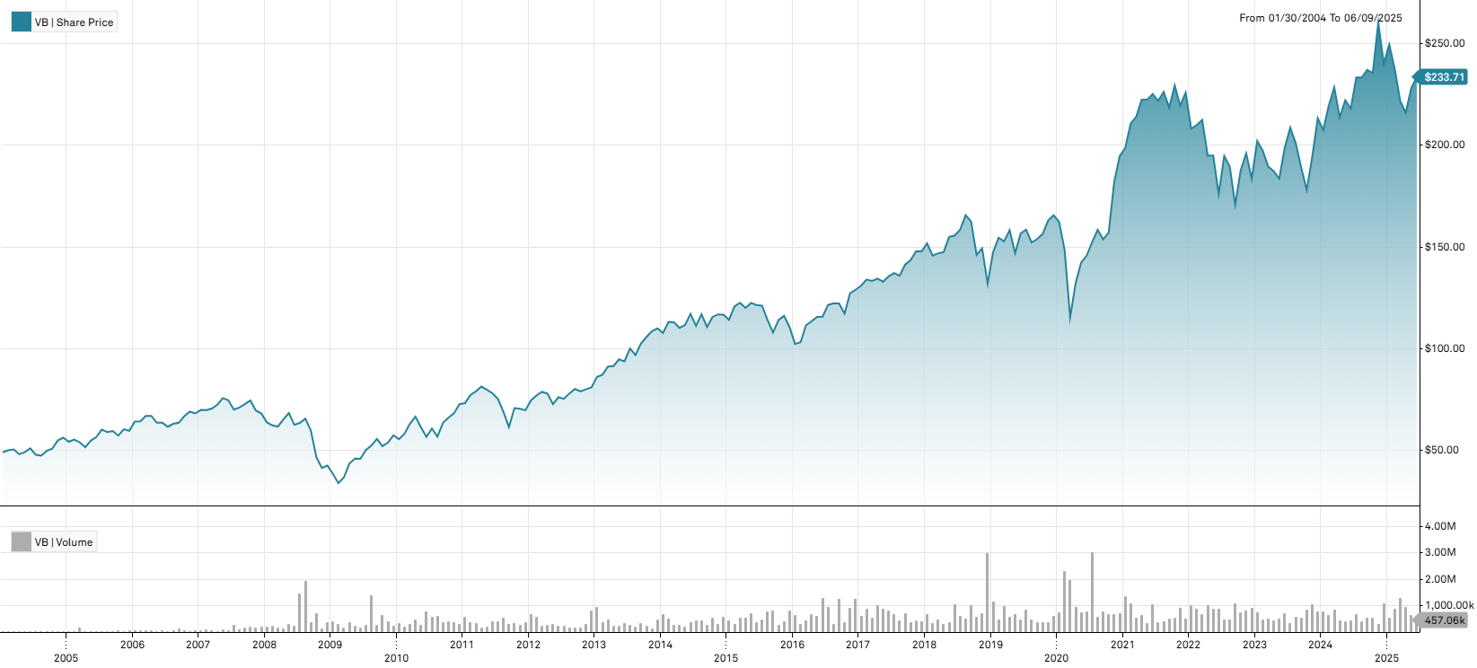
2024-05-31 | 222.29 | 3.98% |  |  | 2017-12-29 | 2017 | 14.61% | 0.015262031667
2024-04-30 | 213.79 | -6.47% |  |  | 2016-12-30 | 2016 | 16.56% | 0.043315876585
2024-03-28 | 228.59 | 4.11% |  |  | 2015-12-31 | 2015 | -5.16% | 0.037441919437
2024-02-29 | 219.56 | 5.77% |  |  | 2014-12-31 | 2014 | 6.10% | 0.036444962157
2024-01-31 | 207.58 | -2.70% |  |  | 2013-12-31 | 2013 | 35.91% | 0.029445229337
2023-12-29 | 213.33 | 9.72% | 16.23% | 0.06196 | 2012-12-31 | 2012 | 16.12% | 0.033878729693
2023-11-30 | 194.43 | 9.20% |  |  | 2011-12-30 | 2011 | -4.08% | 0.063999337592
2023-10-31 | 178.05 | -5.83%
2023-09-29 | 189.07 | -5.95%
2023-08-31 | 201.03 | -3.70%
2023-07-31 | 208.75 | 4.96%
2023-06-30 | 198.89 | 8.32%
2023-05-31 | 183.62 | -1.97%
2023-04-28 | 187.31 | -1.19%
2023-03-31 | 189.56 | -4.03%
2023-02-28 | 197.52 | -2.30%
2023-01-31 | 202.18 | 10.16%
2022-12-30 | 183.54 | -6.40% | -18.79% | 0.06922
2022-11-30 | 196.09 | 4.39%
2022-10-31 | 187.84 | 9.91%
2022-09-30 | 170.91 | -9.91%
2022-08-31 | 189.71 | -2.61%
2022-07-29 | 194.79 | 10.61%
2022-06-30 | 176.11 | -9.67%
2022-05-31 | 194.97 | -0.04%
2022-04-29 | 195.05 | -8.22%
2022-03-31 | 212.52 | 1.20%
2022-02-28 | 210.01 | 0.86%
2022-01-31 | 208.21 | -7.88%
2021-12-31 | 226.01 | 2.90% | 16.09% | 0.03026
2021-11-30 | 219.65 | -4.29%
2021-10-29 | 229.49 | 4.95%
2021-09-30 | 218.67 | -3.38%
2021-08-31 | 226.31 | 1.96%
2021-07-30 | 221.95 | -1.48%
2021-06-30 | 225.28 | 1.21%
2021-05-28 | 222.58 | 0.04%
2021-04-30 | 222.49 | 3.93%
2021-03-31 | 214.08 | 1.54%
2021-02-26 | 210.84 | 6.17%
2021-01-29 | 198.59 | 2.01%
2020-12-31 | 194.68 | 7.03% | 17.53% | 0.09807
2020-11-30 | 181.90 | 15.78%
2020-10-30 | 157.11 | 2.15%
2020-09-30 | 153.80 | -2.94%
2020-08-31 | 158.46 | 3.96%
2020-07-31 | 152.42 | 4.60%
2020-06-30 | 145.72 | 2.36%
2020-05-29 | 142.36 | 7.65%
2020-04-30 | 132.24 | 14.55%
2020-03-31 | 115.44 | -22.24%
2020-02-28 | 148.45 | -8.53%
2020-01-31 | 162.30 | -2.02%
2019-12-31 | 165.64 | 1.62% | 25.49% | 0.04681
2019-11-29 | 163 | 4.20%
2019-10-31 | 156.43 | 1.65%
2019-09-30 | 153.89 | 1.08%
2019-08-30 | 152.25 | -3.97%
2019-07-31 | 158.54 | 1.20%
2019-06-28 | 156.66 | 6.63%
2019-05-31 | 146.92 | -7.18%
2019-04-30 | 158.28 | 3.59%
2019-03-29 | 152.80 | -1.17%
2019-02-28 | 154.61 | 4.86%
2019-01-31 | 147.45 | 11.71%
2018-12-31 | 131.99 | -11.61% | -10.70% | 0.05094
2018-11-30 | 149.33 | 2.19%
2018-10-31 | 146.13 | -10.12%
2018-09-28 | 162.58 | -1.86%
2018-08-31 | 165.66 | 4.52%
2018-07-31 | 158.50 | 1.82%
2018-06-29 | 155.67 | 0.44%
2018-05-31 | 154.99 | 5.10%
2018-04-30 | 147.47 | 0.37%
2018-03-29 | 146.92 | 0.79%
2018-02-28 | 145.77 | -3.96%
2018-01-31 | 151.78 | 2.69%
2017-12-29 | 147.80 | -0.07% | 14.61% | 0.01526
2017-11-30 | 147.91 | 3.05%
2017-10-31 | 143.53 | 1.56%
2017-09-29 | 141.32 | 4.01%
2017-08-31 | 135.87 | -0.93%
2017-07-31 | 137.15 | 1.19%
2017-06-30 | 135.54 | 1.96%
2017-05-31 | 132.93 | -1.11%
2017-04-28 | 134.42 | 0.86%
2017-03-31 | 133.28 | -0.52%
2017-02-28 | 133.97 | 2.32%
2017-01-31 | 130.93 | 1.53%
2016-12-30 | 128.96 | 1.34% | 16.56% | 0.04332
2016-11-30 | 127.26 | 8.57%
2016-10-31 | 117.22 | -4.06%
2016-09-30 | 122.18 | -0.09%
2016-08-31 | 122.29 | 0.68%
2016-07-29 | 121.47 | 5.01%
2016-06-30 | 115.68 | 0.07%
2016-05-31 | 115.60 | 1.89%
2016-04-29 | 113.46 | 1.77%
2016-03-31 | 111.49 | 8.16%
2016-02-29 | 103.08 | 0.77%
2016-01-29 | 102.29 | -7.55%
2015-12-31 | 110.64 | -4.73% | -5.16% | 0.03744
2015-11-30 | 116.13 | 1.80%
2015-10-30 | 114.08 | 5.68%
2015-09-30 | 107.95 | -5.36%
2015-08-31 | 114.06 | -5.83%
2015-07-31 | 121.12 | -0.29%
2015-06-30 | 121.47 | -0.82%
2015-05-29 | 122.48 | 2.02%
2015-04-30 | 120.06 | -2.04%
2015-03-31 | 122.56 | 1.47%
2015-02-27 | 120.78 | 5.80%
2015-01-30 | 114.16 | -2.14%
2014-12-31 | 116.66 | -0.16% | 6.10% | 0.03644
2014-11-28 | 116.85 | 1.06%
2014-10-31 | 115.63 | 4.52%
2014-09-30 | 110.63 | -5.34%
2014-08-29 | 116.87 | 5.06%
2014-07-31 | 111.24 | -5.02%
2014-06-30 | 117.12 | 4.97%
2014-05-30 | 111.58 | 1.26%
2014-04-30 | 110.19 | -2.44%
2014-03-31 | 112.95 | -0.19%
2014-02-28 | 113.16 | 5.08%
2014-01-31 | 107.69 | -2.06%
2013-12-31 | 109.95 | 1.22% | 35.91% | 0.02945
2013-11-29 | 108.62 | 2.71%
2013-10-31 | 105.75 | 3.18%
2013-09-30 | 102.49 | 5.85%
2013-08-30 | 96.83 | -3.24%
2013-07-31 | 100.07 | 6.79%
2013-06-28 | 93.71 | -1.06%
2013-05-31 | 94.71 | 3.60%
2013-04-30 | 91.42 | 0.30%
2013-03-28 | 91.15 | 4.63%
2013-02-28 | 87.12 | 1.26%
2013-01-31 | 86.04 | 6.35%
2012-12-31 | 80.90 | 1.15% | 16.12% | 0.03388
2012-11-30 | 79.98 | 1.25%
2012-10-31 | 78.99 | -1.43%
2012-09-28 | 80.14 | 2.80%
2012-08-31 | 77.96 | 3.56%
2012-07-31 | 75.28 | -1.00%
2012-06-29 | 76.04 | 4.62%
2012-05-31 | 72.68 | -6.72%
2012-04-30 | 77.92 | -1.02%
2012-03-30 | 78.72 | 2.30%
2012-02-29 | 76.95 | 3.27%
2012-01-31 | 74.51 | 6.95%
2011-12-30 | 69.67 | -1.09% | -4.08% | 0.06400
2011-11-30 | 70.44 | -0.44%
2011-10-31 | 70.75 | 15.28%
2011-09-30 | 61.37 | -10.98%
2011-08-31 | 68.94 | -8.35%
2011-07-29 | 75.22 | -3.63%
2011-06-30 | 78.05 | -2.09%
2011-05-31 | 79.72 | -1.96%
2011-04-29 | 81.31 | 2.94%
2011-03-31 | 78.99 | 2.35%
2011-02-28 | 77.18 | 5.52%
2011-01-31 | 73.14 | 0.70%
2010-12-31 | 72.63 | 6.61% | 26.64% | 0.06515
2010-11-30 | 68.13 | 3.18%
2010-10-29 | 66.03 | 4.08%
2010-09-30 | 63.44 | 12.01%
2010-08-31 | 56.64 | -6.64%
2010-07-30 | 60.67 | 7.19%
2010-06-30 | 56.60 | -7.74%
2010-05-28 | 61.35 | -7.76%
2010-04-30 | 66.51 | 5.59%
2010-03-31 | 62.99 | 8.44%
2010-02-26 | 58.09 | 4.82%
2010-01-29 | 55.42 | -3.37%
2009-12-31 | 57.35 | 6.74% | 35.04% | 0.08341
2009-11-30 | 53.73 | 3.29%
2009-10-30 | 52.02 | -6.35%
2009-09-30 | 55.55 | 6.30%
2009-08-31 | 52.26 | 4.27%
2009-07-31 | 50.12 | 9.55%
2009-06-30 | 45.75 | -0.31%
2009-05-29 | 45.89 | 5.64%
2009-04-30 | 43.44 | 18.66%
2009-03-31 | 36.61 | 8.44%
2009-02-27 | 33.76 | -12.01%
2009-01-30 | 38.37 | -9.65%
2008-12-31 | 42.47 | 2.86% | -37.61% | 0.07819
2008-11-28 | 41.29 | -11.41%
2008-10-31 | 46.61 | -21.86%
2008-09-30 | 59.65 | -8.90%
2008-08-29 | 65.48 | 3.22%
2008-07-31 | 63.44 | 1.46%
2008-06-30 | 62.53 | -8.45%
2008-05-30 | 68.30 | 4.83%
2008-04-30 | 65.15 | 5.68%
2008-03-31 | 61.65 | -0.88%
2008-02-29 | 62.20 | -2.39%
2008-01-31 | 63.72 | -6.39%
2007-12-31 | 68.07 | -2.11% | -0.04% | 0.03388
2007-11-30 | 69.54 | -6.65%
2007-10-31 | 74.49 | 2.50%
2007-09-28 | 72.67 | 2.32%
2007-08-31 | 71.02 | 1.53%
2007-07-31 | 69.95 | -6.22%
2007-06-29 | 74.59 | -1.38%
2007-05-31 | 75.63 | 4.46%
2007-04-30 | 72.40 | 2.65%
2007-03-30 | 70.53 | 1.16%
2007-02-28 | 69.72 | -0.11%
2007-01-31 | 69.80 | 2.50%
2006-12-29 | 68.10 | -1.28% | 14.36% | 0.03396
2006-11-30 | 68.98 | 3.31%
2006-10-31 | 66.77 | 5.12%
2006-09-29 | 63.52 | 0.84%
2006-08-31 | 62.99 | 2.31%
2006-07-31 | 61.57 | -3.09%
2006-06-30 | 63.53 | 0.03%
2006-05-31 | 63.51 | -5.07%
2006-04-28 | 66.90 | 0.06%
2006-03-31 | 66.86 | 4.13%
2006-02-28 | 64.21 | 0.19%
2006-01-31 | 64.09 | 7.62%
2005-12-30 | 59.55 | -1.31% | 6.04% | 0.03865
2005-11-30 | 60.34 | 5.49%
2005-10-31 | 57.20 | -3.85%
2005-09-30 | 59.49 | 0.92%
2005-08-31 | 58.95 | -1.91%
2005-07-29 | 60.10 | 6.41%
2005-06-30 | 56.48 | 3.27%
2005-05-31 | 54.69 | 6.17%
2005-04-29 | 51.51 | -4.35%
2005-03-31 | 53.85 | -2.53%
2005-02-28 | 55.25 | 2.01%
2005-01-31 | 54.16 | -3.56%
2004-12-31 | 56.16 | 2.52% | 14.61% | 0.03848
2004-11-30 | 54.78 | 7.94%
2004-10-29 | 50.75 | 2.13%
2004-09-30 | 49.69 | 4.94%
2004-08-31 | 47.35 | -0.90%
2004-07-30 | 47.78 | -6.11%
2004-06-30 | 50.89 | 3.77%
2004-05-28 | 49.04 | 2.10%
2004-04-30 | 48.03 | -4.70%
2004-03-31 | 50.40 | 0.80%
2004-02-27 | 50 | 2.04%
2004-01-30 | 49

VTIAX equity data
Pricing Date | VXUS | Share Price (Monthly)($) | Monthly returns (%) | Yearly returns (%) | Yearly STDEV | Full year | Year | Returns (%) | StDev
2024-12-31 | 58.93 | -4.50% | 1.67% | 0.0290 | 2024-12-31 | 2024 | 1.67% | 0.0290 | Vanguard STAR Funds - Vanguard Total International Stock ETF | Stock Chart
2024-11-29 | 61.71 | -0.23% |  |  | 2023-12-29 | 2023 | 12.06% | 0.0461
2024-10-31 | 61.85 | -4.46% |  |  | 2022-12-30 | 2022 | -18.64% | 0.0611 | NASDAQGM:VXUS (MI Key: 5731827; SPCIQ Key: 118888015)
2024-09-30 | 64.74 | 2.16% |  |  | 2021-12-31 | 2021 | 5.67% | 0.0247
2024-08-30 | 63.37 | 2.41% |  |  | 2020-12-31 | 2020 | 8.03% | 0.0733 | See Data Tab for underlying data
2024-07-31 | 61.88 | 2.62% |  |  | 2019-12-31 | 2019 | 17.94% | 0.0330
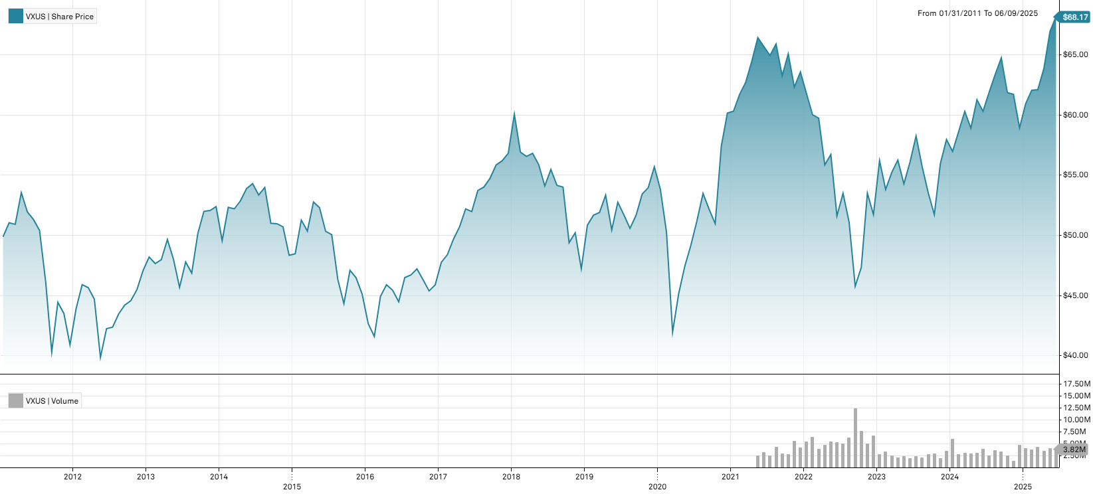
2024-06-28 | 60.30 | -1.58% |  |  | 2018-12-31 | 2018 | -16.88% | 0.0379
2024-05-31 | 61.27 | 4.02% |  |  | 2017-12-29 | 2017 | 23.82% | 0.0125
2024-04-30 | 58.90 | -2.32% |  |  | 2016-12-30 | 2016 | 1.71% | 0.0341
2024-03-28 | 60.30 | 2.85% |  |  | 2015-12-31 | 2015 | -6.68% | 0.0404
2024-02-29 | 58.63 | 2.91% |  |  | 2014-12-31 | 2014 | -7.71% | 0.0314
2024-01-31 | 56.97 | -1.71% |  |  | 2013-12-31 | 2013 | 11.28% | 0.0331
2023-12-29 | 57.96 | 3.54% | 12.06% | 0.0461 | 2012-12-31 | 2012 | 15.09% | 0.0446
2023-11-30 | 55.98 | 8.24% |  |  | 2011-12-30 | 2011 | -18.00% | 0.0599
2023-10-31 | 51.72 | -3.36%
2023-09-29 | 53.52 | -3.91%
2023-08-31 | 55.70 | -4.39%
2023-07-31 | 58.26 | 3.89%
2023-06-30 | 56.08 | 3.32%
2023-05-31 | 54.28 | -3.50%
2023-04-28 | 56.25 | 1.88%
2023-03-31 | 55.21 | 2.60%
2023-02-28 | 53.81 | -4.27%
2023-01-31 | 56.21 | 8.68%
2022-12-30 | 51.72 | -3.33% | -18.64% | 0.0611
2022-11-30 | 53.50 | 13.04%
2022-10-31 | 47.33 | 3.41%
2022-09-30 | 45.77 | -10.41%
2022-08-31 | 51.09 | -4.49%
2022-07-29 | 53.49 | 3.64%
2022-06-30 | 51.61 | -8.99%
2022-05-31 | 56.71 | 1.52%
2022-04-29 | 55.86 | -6.49%
2022-03-31 | 59.74 | -0.45%
2022-02-28 | 60.01 | -2.85%
2022-01-31 | 61.77 | -2.83%
2021-12-31 | 63.57 | 2.02% | 5.67% | 0.0247
2021-11-30 | 62.31 | -4.26%
2021-10-29 | 65.08 | 2.88%
2021-09-30 | 63.26 | -3.99%
2021-08-31 | 65.89 | 1.46%
2021-07-30 | 64.94 | -1.13%
2021-06-30 | 65.68 | -1.11%
2021-05-28 | 66.42 | 3.07%
2021-04-30 | 64.44 | 2.78%
2021-03-31 | 62.70 | 1.62%
2021-02-26 | 61.70 | 2.30%
2021-01-29 | 60.31 | 0.25%
2020-12-31 | 60.16 | 4.81% | 8.03% | 0.0733
2020-11-30 | 57.40 | 12.62%
2020-10-30 | 50.97 | -2.30%
2020-09-30 | 52.17 | -2.45%
2020-08-31 | 53.48 | 4.43%
2020-07-31 | 51.21 | 4.15%
2020-06-30 | 49.17 | 3.71%
2020-05-29 | 47.41 | 5.01%
2020-04-30 | 45.15 | 7.60%
2020-03-31 | 41.96 | -16.50%
2020-02-28 | 50.25 | -6.60%
2020-01-31 | 53.80 | -3.39%
2019-12-31 | 55.69 | 3.21% | 17.94% | 0.0330
2019-11-29 | 53.96 | 0.99%
2019-10-31 | 53.43 | 3.43%
2019-09-30 | 51.66 | 2.14%
2019-08-30 | 50.58 | -2.17%
2019-07-31 | 51.70 | -1.99%
2019-06-28 | 52.75 | 4.56%
2019-05-31 | 50.45 | -5.42%
2019-04-30 | 53.34 | 2.77%
2019-03-29 | 51.90 | 0.45%
2019-02-28 | 51.67 | 1.63%
2019-01-31 | 50.84 | 7.67%
2018-12-31 | 47.22 | -5.95% | -16.88% | 0.0379
2018-11-30 | 50.21 | 1.68%
2018-10-31 | 49.38 | -8.56%
2018-09-28 | 54 | -0.28%
2018-08-31 | 54.15 | -2.40%
2018-07-31 | 55.48 | 2.55%
2018-06-29 | 54.10 | -3.19%
2018-05-31 | 55.88 | -1.64%
2018-04-30 | 56.81 | 0.46%
2018-03-29 | 56.55 | -0.63%
2018-02-28 | 56.91 | -5.24%
2018-01-31 | 60.06 | 5.72%
2017-12-29 | 56.81 | 1.10% | 23.82% | 0.0125
2017-11-30 | 56.19 | 0.63%
2017-10-31 | 55.84 | 2.03%
2017-09-29 | 54.73 | 1.33%
2017-08-31 | 54.01 | 0.54%
2017-07-31 | 53.72 | 3.37%
2017-06-30 | 51.97 | -0.44%
2017-05-31 | 52.20 | 2.96%
2017-04-28 | 50.70 | 2.05%
2017-03-31 | 49.68 | 2.67%
2017-02-28 | 48.39 | 1.34%
2017-01-31 | 47.75 | 4.08%
2016-12-30 | 45.88 | 1.10% | 1.71% | 0.0341
2016-11-30 | 45.38 | -2.01%
2016-10-31 | 46.31 | -1.91%
2016-09-30 | 47.21 | 1.09%
2016-08-31 | 46.70 | 0.45%
2016-07-29 | 46.49 | 4.52%
2016-06-30 | 44.48 | -2.11%
2016-05-31 | 45.44 | -0.98%
2016-04-29 | 45.89 | 2.16%
2016-03-31 | 44.92 | 7.98%
2016-02-29 | 41.60 | -2.46%
2016-01-29 | 42.65 | -5.45%
2015-12-31 | 45.11 | -2.93% | -6.68% | 0.0404
2015-11-30 | 46.47 | -1.32%
2015-10-30 | 47.09 | 6.25%
2015-09-30 | 44.32 | -4.34%
2015-08-31 | 46.33 | -7.43%
2015-07-31 | 50.05 | -0.56%
2015-06-30 | 50.33 | -3.75%
2015-05-29 | 52.29 | -0.91%
2015-04-30 | 52.77 | 4.81%
2015-03-31 | 50.35 | -1.79%
2015-02-27 | 51.27 | 5.78%
2015-01-30 | 48.47 | 0.27%
2014-12-31 | 48.34 | -4.65% | -7.71% | 0.0314
2014-11-28 | 50.70 | -0.51%
2014-10-31 | 50.96 | -0.08%
2014-09-30 | 51 | -5.50%
2014-08-29 | 53.97 | 1.16%
2014-07-31 | 53.35 | -1.73%
2014-06-30 | 54.29 | 0.76%
2014-05-30 | 53.88 | 1.93%
2014-04-30 | 52.86 | 1.26%
2014-03-31 | 52.20 | -0.23%
2014-02-28 | 52.32 | 5.59%
2014-01-31 | 49.55 | -5.40%
2013-12-31 | 52.38 | 0.61% | 11.28% | 0.0331
2013-11-29 | 52.06 | 0.13%
2013-10-31 | 51.99 | 3.67%
2013-09-30 | 50.15 | 7.02%
2013-08-30 | 46.86 | -1.95%
2013-07-31 | 47.79 | 4.62%
2013-06-28 | 45.68 | -4.85%
2013-05-31 | 48.01 | -3.30%
2013-04-30 | 49.65 | 3.50%
2013-03-28 | 47.97 | 0.67%
2013-02-28 | 47.65 | -1.14%
2013-01-31 | 48.20 | 2.40%
2012-12-31 | 47.07 | 3.47% | 15.09% | 0.0446
2012-11-30 | 45.49 | 2.06%
2012-10-31 | 44.57 | 0.81%
2012-09-28 | 44.21 | 1.70%
2012-08-31 | 43.47 | 2.60%
2012-07-31 | 42.37 | 0.31%
2012-06-29 | 42.24 | 5.97%
2012-05-31 | 39.86 | -10.83%
2012-04-30 | 44.70 | -2.07%
2012-03-30 | 45.65 | -0.55%
2012-02-29 | 45.90 | 4.56%
2012-01-31 | 43.90 | 7.33%
2011-12-30 | 40.90 | -5.98% | -18.00% | 0.0599
2011-11-30 | 43.50 | -2.12%
2011-10-31 | 44.44 | 10.25%
2011-09-30 | 40.31 | -12.65%
2011-08-31 | 46.15 | -8.45%
2011-07-29 | 50.41 | -1.75%
2011-06-30 | 51.31 | -1.21%
2011-05-31 | 51.94 | -3.01%
2011-04-29 | 53.55 | 5.19%
2011-03-31 | 50.91 | -0.25%
2011-02-28 | 51.04 | 2.33%
2011-01-31 | 49.88

VWO equity data
Pricing Date | VWO | Share Price (Monthly)($) | Monthly returns (%) | Yearly Returns (%) | Yearly STDEV | Full year | Year | Returns (%) | StDev
2024-12-31 | 44.04 | -3.36% | 7.15% | 0.02971 | 2024-12-31 | 2024 | 7.15% | 0.029714537894 | Vanguard International Equity Index Funds - Vanguard FTSE Emerging Markets ETF | Stock Chart
2024-11-29 | 45.57 | -2.15% |  |  | 2023-12-29 | 2023 | 5.44% | 0.048694448378
2024-10-31 | 46.57 | -2.68% |  |  | 2022-12-30 | 2022 | -21.19% | 0.057570201274 | ARCA:VWO (MI Key: 5724327; SPCIQ Key: 20936186)
2024-09-30 | 47.85 | 7.00% |  |  | 2021-12-31 | 2021 | -1.30% | 0.027022334824
2024-08-30 | 44.72 | 0.97% |  |  | 2020-12-31 | 2020 | 12.68% | 0.071724369289 | See Data Tab for underlying data
2024-07-31 | 44.29 | 1.21% |  |  | 2019-12-31 | 2019 | 16.72% | 0.041296575048
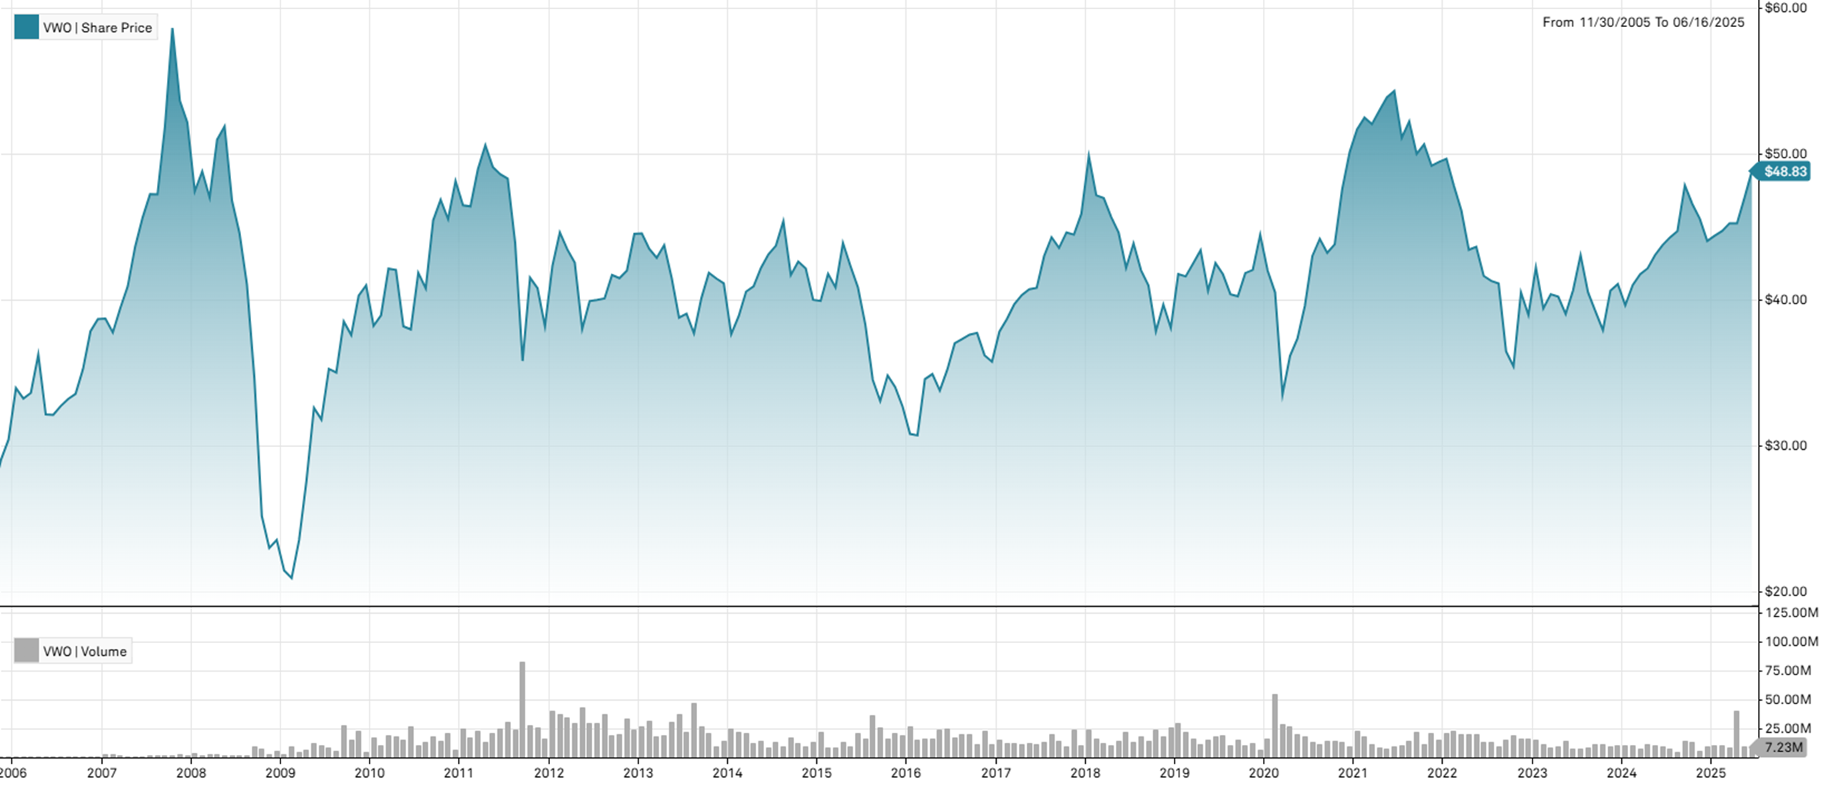
2024-06-28 | 43.76 | 1.58% |  |  | 2018-12-31 | 2018 | -17.01% | 0.046309633305
2024-05-31 | 43.08 | 2.16% |  |  | 2017-12-29 | 2017 | 28.31% | 0.020695305862
2024-04-30 | 42.17 | 0.96% |  |  | 2016-12-30 | 2016 | 9.39% | 0.046225112236
2024-03-28 | 41.77 | 1.83% |  |  | 2015-12-31 | 2015 | -18.27% | 0.04830421979
2024-02-29 | 41.02 | 3.48% |  |  | 2014-12-31 | 2014 | -2.72% | 0.04381293099
2024-01-31 | 39.64 | -3.55% |  |  | 2013-12-31 | 2013 | -7.61% | 0.035358850751
2023-12-29 | 41.1 | 1.16% | 5.44% | 0.04869 | 2012-12-31 | 2012 | 16.54% | 0.052080841173
2023-11-30 | 40.63 | 7.09% |  |  | 2011-12-30 | 2011 | -20.64% | 0.079184630267
2023-10-31 | 37.94 | -3.24%
2023-09-29 | 39.21 | -3.26%
2023-08-31 | 40.53 | -5.90%
2023-07-31 | 43.07 | 5.88%
2023-06-30 | 40.68 | 4.17%
2023-05-31 | 39.05 | -2.96%
2023-04-28 | 40.24 | -0.40%
2023-03-31 | 40.4 | 2.49%
2023-02-28 | 39.42 | -6.65%
2023-01-31 | 42.23 | 8.34%
2022-12-30 | 38.98 | -3.80% | -21.19% | 0.05757
2022-11-30 | 40.52 | 14.30%
2022-10-31 | 35.45 | -2.85%
2022-09-30 | 36.49 | -11.28%
2022-08-31 | 41.13 | -0.46%
2022-07-29 | 41.32 | -0.79%
2022-06-30 | 41.65 | -4.56%
2022-05-31 | 43.64 | 0.46%
2022-04-29 | 43.44 | -5.83%
2022-03-31 | 46.13 | -3.53%
2022-02-28 | 47.82 | -3.72%
2022-01-31 | 49.67 | 0.42%
2021-12-31 | 49.46 | 0.55% | -1.30% | 0.02702
2021-11-30 | 49.19 | -2.90%
2021-10-29 | 50.66 | 1.30%
2021-09-30 | 50.01 | -4.25%
2021-08-31 | 52.23 | 2.19%
2021-07-30 | 51.11 | -5.89%
2021-06-30 | 54.31 | 0.80%
2021-05-28 | 53.88 | 1.70%
2021-04-30 | 52.98 | 1.79%
2021-03-31 | 52.05 | -0.84%
2021-02-26 | 52.49 | 1.57%
2021-01-29 | 51.68 | 3.13%
2020-12-31 | 50.11 | 5.36% | 12.68% | 0.07172
2020-11-30 | 47.56 | 8.56%
2020-10-30 | 43.81 | 1.32%
2020-09-30 | 43.24 | -2.15%
2020-08-31 | 44.19 | 2.74%
2020-07-31 | 43.01 | 8.58%
2020-06-30 | 39.61 | 6.02%
2020-05-29 | 37.36 | 3.29%
2020-04-30 | 36.17 | 7.81%
2020-03-31 | 33.55 | -17.20%
2020-02-28 | 40.52 | -3.55%
2020-01-31 | 42.01 | -5.53%
2019-12-31 | 44.47 | 5.73% | 16.72% | 0.04130
2019-11-29 | 42.06 | 0.50%
2019-10-31 | 41.85 | 3.95%
2019-09-30 | 40.26 | -0.35%
2019-08-30 | 40.4 | -3.26%
2019-07-31 | 41.76 | -1.81%
2019-06-28 | 42.53 | 4.65%
2019-05-31 | 40.64 | -6.38%
2019-04-30 | 43.41 | 2.14%
2019-03-29 | 42.5 | 2.11%
2019-02-28 | 41.62 | -0.38%
2019-01-31 | 41.78 | 9.66%
2018-12-31 | 38.1 | -4.01% | -17.01% | 0.04631
2018-11-30 | 39.69 | 4.83%
2018-10-31 | 37.86 | -7.66%
2018-09-28 | 41 | -2.47%
2018-08-31 | 42.04 | -4.19%
2018-07-31 | 43.88 | 3.98%
2018-06-29 | 42.2 | -5.40%
2018-05-31 | 44.61 | -2.34%
2018-04-30 | 45.68 | -2.77%
2018-03-29 | 46.98 | -0.40%
2018-02-28 | 47.17 | -5.36%
2018-01-31 | 49.84 | 8.56%
2017-12-29 | 45.91 | 3.21% | 28.31% | 0.02070
2017-11-30 | 44.48 | -0.34%
2017-10-31 | 44.63 | 2.43%
2017-09-29 | 43.57 | -1.65%
2017-08-31 | 44.3 | 3.00%
2017-07-31 | 43.01 | 5.34%
2017-06-30 | 40.83 | 0.22%
2017-05-31 | 40.74 | 0.99%
2017-04-28 | 40.34 | 1.56%
2017-03-31 | 39.72 | 2.66%
2017-02-28 | 38.69 | 2.25%
2017-01-31 | 37.84 | 5.76%
2016-12-30 | 35.78 | -1.21% | 9.39% | 0.04623
2016-11-30 | 36.22 | -4.05%
2016-10-31 | 37.75 | 0.32%
2016-09-30 | 37.63 | 0.80%
2016-08-31 | 37.33 | 0.78%
2016-07-29 | 37.04 | 5.14%
2016-06-30 | 35.23 | 4.23%
2016-05-31 | 33.8 | -3.24%
2016-04-29 | 34.93 | 1.01%
2016-03-31 | 34.58 | 12.53%
2016-02-29 | 30.73 | -0.32%
2016-01-29 | 30.83 | -5.75%
2015-12-31 | 32.71 | -3.91% | -18.27% | 0.04830
2015-11-30 | 34.04 | -2.30%
2015-10-30 | 34.84 | 5.29%
2015-09-30 | 33.09 | -4.20%
2015-08-31 | 34.54 | -9.86%
2015-07-31 | 38.32 | -6.26%
2015-06-30 | 40.88 | -3.45%
2015-05-29 | 42.34 | -3.55%
2015-04-30 | 43.9 | 7.41%
2015-03-31 | 40.87 | -2.22%
2015-02-27 | 41.8 | 4.66%
2015-01-30 | 39.94 | -0.20%
2014-12-31 | 40.02 | -5.10% | -2.72% | 0.04381
2014-11-28 | 42.17 | -1.10%
2014-10-31 | 42.64 | 2.23%
2014-09-30 | 41.71 | -8.13%
2014-08-29 | 45.4 | 3.84%
2014-07-31 | 43.72 | 1.37%
2014-06-30 | 43.13 | 2.18%
2014-05-30 | 42.21 | 3.10%
2014-04-30 | 40.94 | 0.89%
2014-03-31 | 40.58 | 4.35%
2014-02-28 | 38.89 | 3.24%
2014-01-31 | 37.67 | -8.43%
2013-12-31 | 41.14 | -0.82% | -7.61% | 0.03536
2013-11-29 | 41.48 | -0.93%
2013-10-31 | 41.87 | 4.31%
2013-09-30 | 40.14 | 6.42%
2013-08-30 | 37.72 | -3.43%
2013-07-31 | 39.06 | 0.67%
2013-06-28 | 38.8 | -6.60%
2013-05-31 | 41.54 | -5.07%
2013-04-30 | 43.76 | 2.00%
2013-03-28 | 42.9 | -1.40%
2013-02-28 | 43.51 | -2.36%
2013-01-31 | 44.56 | 0.07%
2012-12-31 | 44.53 | 5.97% | 16.54% | 0.05208
2012-11-30 | 42.02 | 1.25%
2012-10-31 | 41.5 | -0.53%
2012-09-28 | 41.72 | 4.01%
2012-08-31 | 40.11 | 0.25%
2012-07-31 | 40.01 | 0.20%
2012-06-29 | 39.93 | 5.02%
2012-05-31 | 38.02 | -10.67%
2012-04-30 | 42.56 | -2.09%
2012-03-30 | 43.47 | -2.60%
2012-02-29 | 44.63 | 5.43%
2012-01-31 | 42.33 | 10.78%
2011-12-30 | 38.21 | -6.39% | -20.64% | 0.07918
2011-11-30 | 40.82 | -1.71%
2011-10-31 | 41.53 | 15.91%
2011-09-30 | 35.83 | -18.44%
2011-08-31 | 43.93 | -9.09%
2011-07-29 | 48.32 | -0.62%
2011-06-30 | 48.62 | -1.00%
2011-05-31 | 49.11 | -2.94%
2011-04-29 | 50.6 | 3.37%
2011-03-31 | 48.95 | 5.47%
2011-02-28 | 46.41 | -0.17%
2011-01-31 | 46.49 | -3.45%
2010-12-31 | 48.15 | 5.73% | 17.44% | 0.06217
2010-11-30 | 45.54 | -2.84%
2010-10-29 | 46.87 | 3.10%
2010-09-30 | 45.46 | 11.42%
2010-08-31 | 40.8 | -2.56%
2010-07-30 | 41.87 | 10.21%
2010-06-30 | 37.99 | -0.55%
2010-05-28 | 38.2 | -9.18%
2010-04-30 | 42.06 | -0.21%
2010-03-31 | 42.15 | 8.19%
2010-02-26 | 38.96 | 1.88%
2010-01-29 | 38.24 | -6.73%
2009-12-31 | 41 | 1.74% | 73.95% | 0.08375
2009-11-30 | 40.3 | 7.18%
2009-10-30 | 37.6 | -2.41%
2009-09-30 | 38.53 | 9.96%
2009-08-31 | 35.04 | -0.71%
2009-07-31 | 35.29 | 10.91%
2009-06-30 | 31.82 | -2.45%
2009-05-29 | 32.62 | 17.89%
2009-04-30 | 27.67 | 17.44%
2009-03-31 | 23.56 | 12.40%
2009-02-27 | 20.96 | -2.38%
2009-01-30 | 21.47 | -8.91%
2008-12-31 | 23.57 | 2.34% | -54.80% | 0.09139
2008-11-28 | 23.03 | -8.65%
2008-10-31 | 25.21 | -27.26%
2008-09-30 | 34.66 | -15.59%
2008-08-29 | 41.06 | -7.92%
2008-07-31 | 44.59 | -4.72%
2008-06-30 | 46.8 | -9.81%
2008-05-30 | 51.89 | 1.79%
2008-04-30 | 50.98 | 8.42%
2008-03-31 | 47.02 | -3.67%
2008-02-29 | 48.81 | 2.87%
2008-01-31 | 47.45 | -9.01%
2007-12-31 | 52.15 | -2.78% | 34.75% | 0.05608
2007-11-30 | 53.64 | -8.53%
2007-10-31 | 58.64 | 13.01%
2007-09-28 | 51.89 | 9.82%
2007-08-31 | 47.25 | 0.00%
2007-07-31 | 47.25 | 3.50%
2007-06-29 | 45.65 | 4.56%
2007-05-31 | 43.66 | 6.64%
2007-04-30 | 40.94 | 3.80%
2007-03-30 | 39.44 | 4.39%
2007-02-28 | 37.78 | -2.45%
2007-01-31 | 38.73 | 0.08%
2006-12-29 | 38.7 | 2.22% | 27.14% | 0.05510
2006-11-30 | 37.86 | 7.31%
2006-10-31 | 35.28 | 5.06%
2006-09-29 | 33.58 | 1.08%
2006-08-31 | 33.22 | 1.47%
2006-07-31 | 32.74 | 1.87%
2006-06-30 | 32.14 | -0.09%
2006-05-31 | 32.17 | -11.30%
2006-04-28 | 36.27 | 7.82%
2006-03-31 | 33.64 | 1.17%
2006-02-28 | 33.25 | -2.15%
2006-01-31 | 33.98 | 11.63%
2005-12-30 | 30.44 | 4.68% | #DIV/0! | #DIV/0!
2005-11-30 | 29.08 | #DIV/0!
 |  | #DIV/0!
 |  | #DIV/0!
 |  | #DIV/0!
 |  | #DIV/0!
 |  | #DIV/0!
 |  | #DIV/0!
 |  | #DIV/0!
 |  | #DIV/0!
 |  | #DIV/0!
 |  | #DIV/0!
 |  | #DIV/0! | #DIV/0! | #DIV/0!
 |  | #DIV/0!
 |  | #DIV/0!
 |  | #DIV/0!
 |  | #DIV/0!
 |  | #DIV/0!
 |  | #DIV/0!
 |  | #DIV/0!
 |  | #DIV/0!
 |  | #DIV/0!
 |  | #DIV/0!

BND bond data
Pricing Date | BND | Share Price (Monthly)($) | Monthly returns | Yearly Returns (%) | Yearly STDEV | Full year | Year | Returns (%) | StDev
2024-12-31 | 71.91 | -2.30% | -2.23% | 0.01634 | 2024-12-31 | 2024 | -2.23% | 0.0163 | Vanguard Bond Index Funds - Vanguard Total Bond Market ETF | Stock Chart
2024-11-29 | 73.60 | 0.75% |  |  | 2023-12-29 | 2023 | 2.38% | 0.0234
2024-10-31 | 73.05 | -2.74% |  |  | 2022-12-30 | 2022 | -15.23% | 0.0228 | NASDAQGM:BND (MI Key: 5727095; SPCIQ Key: 33837570)
2024-09-30 | 75.11 | 1.01% |  |  | 2021-12-31 | 2021 | -3.90% | 0.0084
2024-08-30 | 74.36 | 1.14% |  |  | 2020-12-31 | 2020 | 5.16% | 0.0122 | See Data Tab for underlying data
2024-07-31 | 73.52 | 2.04% |  |  | 2019-12-31 | 2019 | 5.87% | 0.0102
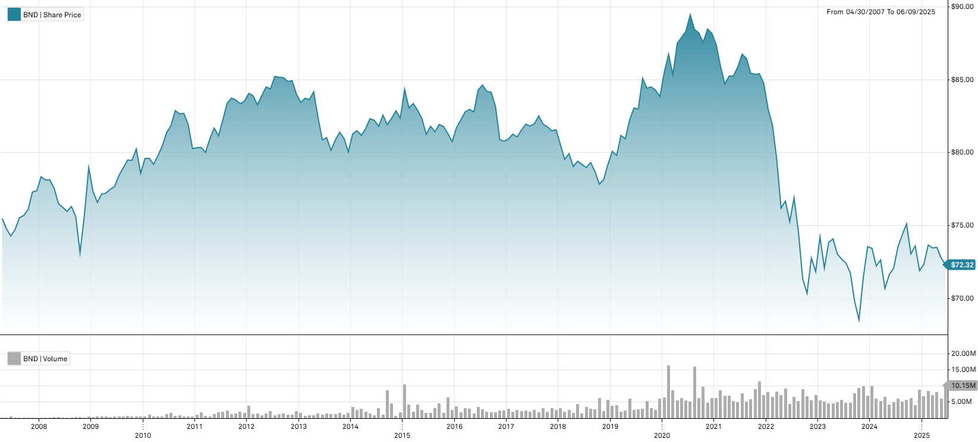
2024-06-28 | 72.05 | 0.57% |  |  | 2018-12-31 | 2018 | -2.89% | 0.0083
2024-05-31 | 71.64 | 1.37% |  |  | 2017-12-29 | 2017 | 0.97% | 0.0039
2024-04-30 | 70.67 | -2.70% |  |  | 2016-12-30 | 2016 | 0.04% | 0.0112
2024-03-28 | 72.63 | 0.57% |  |  | 2015-12-31 | 2015 | -1.95% | 0.0101
2024-02-29 | 72.22 | -1.65% |  |  | 2014-12-31 | 2014 | 2.90% | 0.0069
2024-01-31 | 73.43 | -0.16% |  |  | 2013-12-31 | 2013 | -4.74% | 0.0095
2023-12-29 | 73.55 | 2.97% | 2.38% | 0.02336 | 2012-12-31 | 2012 | 0.59% | 0.0060
2023-11-30 | 71.43 | 4.23% |  |  | 2011-12-30 | 2011 | 4.07% | 0.0068
2023-10-31 | 68.53 | -1.79%
2023-09-29 | 69.78 | -2.75%
2023-08-31 | 71.75 | -0.93%
2023-07-31 | 72.42 | -0.37%
2023-06-30 | 72.69 | -0.48%
2023-05-31 | 73.04 | -1.40%
2023-04-28 | 74.08 | 0.34%
2023-03-31 | 73.83 | 2.44%
2023-02-28 | 72.07 | -2.90%
2023-01-31 | 74.22 | 3.31%
2022-12-30 | 71.84 | -1.26% | -15.23% | 0.02282
2022-11-30 | 72.76 | 3.43%
2022-10-31 | 70.35 | -1.37%
2022-09-30 | 71.33 | -4.38%
2022-08-31 | 74.60 | -2.99%
2022-07-29 | 76.90 | 2.18%
2022-06-30 | 75.26 | -1.85%
2022-05-31 | 76.68 | 0.64%
2022-04-29 | 76.19 | -4.21%
2022-03-31 | 79.54 | -2.91%
2022-02-28 | 81.92 | -1.30%
2022-01-31 | 83 | -2.06%
2021-12-31 | 84.75 | -0.78% | -3.90% | 0.00840
2021-11-30 | 85.42 | 0.05%
2021-10-29 | 85.38 | -0.08%
2021-09-30 | 85.45 | -1.17%
2021-08-31 | 86.46 | -0.35%
2021-07-30 | 86.76 | 1.01%
2021-06-30 | 85.89 | 0.74%
2021-05-28 | 85.26 | 0.00%
2021-04-30 | 85.26 | 0.64%
2021-03-31 | 84.72 | -1.42%
2021-02-26 | 85.94 | -1.70%
2021-01-29 | 87.43 | -0.86%
2020-12-31 | 88.19 | -0.34% | 5.16% | 0.01224
2020-11-30 | 88.49 | 1.04%
2020-10-30 | 87.58 | -0.73%
2020-09-30 | 88.22 | -0.27%
2020-08-31 | 88.46 | -1.12%
2020-07-31 | 89.46 | 1.27%
2020-06-30 | 88.34 | 0.48%
2020-05-29 | 87.92 | 0.47%
2020-04-30 | 87.51 | 2.53%
2020-03-31 | 85.35 | -1.63%
2020-02-28 | 86.76 | 1.45%
2020-01-31 | 85.52 | 1.98%
2019-12-31 | 83.86 | -0.51% | 5.87% | 0.01018
2019-11-29 | 84.29 | -0.26%
2019-10-31 | 84.51 | 0.09%
2019-09-30 | 84.43 | -0.79%
2019-08-30 | 85.10 | 2.53%
2019-07-31 | 83 | -0.08%
2019-06-28 | 83.07 | 1.01%
2019-05-31 | 82.24 | 1.58%
2019-04-30 | 80.96 | -0.27%
2019-03-29 | 81.18 | 1.70%
2019-02-28 | 79.82 | -0.34%
2019-01-31 | 80.09 | 1.11%
2018-12-31 | 79.21 | 1.37% | -2.89% | 0.00828
2018-11-30 | 78.14 | 0.39%
2018-10-31 | 77.84 | -1.09%
2018-09-28 | 78.70 | -0.78%
2018-08-31 | 79.32 | 0.43%
2018-07-31 | 78.98 | -0.27%
2018-06-29 | 79.19 | -0.28%
2018-05-31 | 79.41 | 0.46%
2018-04-30 | 79.05 | -1.10%
2018-03-29 | 79.93 | 0.48%
2018-02-28 | 79.55 | -1.25%
2018-01-31 | 80.56 | -1.24%
2017-12-29 | 81.57 | 0.07% | 0.97% | 0.00395
2017-11-30 | 81.51 | -0.32%
2017-10-31 | 81.77 | -0.23%
2017-09-29 | 81.96 | -0.68%
2017-08-31 | 82.52 | 0.65%
2017-07-31 | 81.99 | 0.20%
2017-06-30 | 81.83 | -0.16%
2017-05-31 | 81.96 | 0.50%
2017-04-28 | 81.55 | 0.58%
2017-03-31 | 81.08 | -0.23%
2017-02-28 | 81.27 | 0.41%
2017-01-31 | 80.94 | 0.19%
2016-12-30 | 80.79 | -0.12% | 0.04% | 0.01119
2016-11-30 | 80.89 | -2.76%
2016-10-31 | 83.19 | -1.13%
2016-09-30 | 84.14 | -0.08%
2016-08-31 | 84.21 | -0.51%
2016-07-29 | 84.64 | 0.40%
2016-06-30 | 84.30 | 1.81%
2016-05-31 | 82.80 | -0.20%
2016-04-29 | 82.97 | 0.20%
2016-03-31 | 82.81 | 0.67%
2016-02-29 | 82.25 | 0.64%
2016-01-29 | 81.73 | 1.20%
2015-12-31 | 80.76 | -0.66% | -1.95% | 0.01009
2015-11-30 | 81.30 | -0.60%
2015-10-30 | 81.79 | -0.17%
2015-09-30 | 81.93 | 0.60%
2015-08-31 | 81.44 | -0.45%
2015-07-31 | 81.81 | 0.68%
2015-06-30 | 81.26 | -1.31%
2015-05-29 | 82.34 | -0.69%
2015-04-30 | 82.91 | -0.55%
2015-03-31 | 83.37 | 0.35%
2015-02-27 | 83.08 | -1.51%
2015-01-30 | 84.35 | 2.40%
2014-12-31 | 82.37 | -0.60% | 2.90% | 0.00689
2014-11-28 | 82.87 | 0.62%
2014-10-31 | 82.36 | 0.52%
2014-09-30 | 81.93 | -0.79%
2014-08-29 | 82.58 | 0.93%
2014-07-31 | 81.82 | -0.49%
2014-06-30 | 82.22 | -0.13%
2014-05-30 | 82.33 | 0.83%
2014-04-30 | 81.65 | 0.57%
2014-03-31 | 81.19 | -0.38%
2014-02-28 | 81.50 | 0.26%
2014-01-31 | 81.29 | 1.55%
2013-12-31 | 80.05 | -1.15% | -4.74% | 0.00955
2013-11-29 | 80.98 | -0.52%
2013-10-31 | 81.40 | 0.64%
2013-09-30 | 80.88 | 0.90%
2013-08-30 | 80.16 | -1.06%
2013-07-31 | 81.02 | 0.17%
2013-06-28 | 80.88 | -1.84%
2013-05-31 | 82.40 | -2.11%
2013-04-30 | 84.18 | 0.65%
2013-03-28 | 83.64 | -0.11%
2013-02-28 | 83.73 | 0.34%
2013-01-31 | 83.45 | -0.69%
2012-12-31 | 84.03 | -1.07% | 0.59% | 0.00601
2012-11-30 | 84.94 | 0.06%
2012-10-31 | 84.89 | -0.31%
2012-09-28 | 85.15 | -0.04%
2012-08-31 | 85.18 | -0.06%
2012-07-31 | 85.23 | 1.01%
2012-06-29 | 84.38 | -0.15%
2012-05-31 | 84.51 | 0.70%
2012-04-30 | 83.92 | 0.77%
2012-03-30 | 83.28 | -0.74%
2012-02-29 | 83.90 | -0.20%
2012-01-31 | 84.07 | 0.63%
2011-12-30 | 83.54 | 0.22% | 4.07% | 0.00679
2011-11-30 | 83.36 | -0.31%
2011-10-31 | 83.62 | -0.14%
2011-09-30 | 83.74 | 0.41%
2011-08-31 | 83.40 | 1.39%
2011-07-29 | 82.26 | 1.36%
2011-06-30 | 81.16 | -0.65%
2011-05-31 | 81.69 | 0.90%
2011-04-29 | 80.96 | 1.17%
2011-03-31 | 80.02 | -0.41%
2011-02-28 | 80.35 | 0.01%
2011-01-31 | 80.34 | 0.09%
2010-12-31 | 80.27 | -2.00% | 2.14% | 0.00959
2010-11-30 | 81.91 | -0.96%
2010-10-29 | 82.70 | 0.05%
2010-09-30 | 82.66 | -0.28%
2010-08-31 | 82.89 | 1.27%
2010-07-30 | 81.85 | 0.58%
2010-06-30 | 81.38 | 1.14%
2010-05-28 | 80.46 | 0.83%
2010-04-30 | 79.80 | 0.76%
2010-03-31 | 79.20 | -0.52%
2010-02-26 | 79.61 | 0.01%
2010-01-29 | 79.60 | 1.29%
2009-12-31 | 78.59 | -2.07% | -0.48% | 0.01042
2009-11-30 | 80.25 | 0.98%
2009-10-30 | 79.47 | -0.04%
2009-09-30 | 79.50 | 0.67%
2009-08-31 | 78.97 | 0.68%
2009-07-31 | 78.44 | 0.97%
2009-06-30 | 77.69 | 0.27%
2009-05-29 | 77.48 | 0.32%
2009-04-30 | 77.23 | 0.10%
2009-03-31 | 77.15 | 0.73%
2009-02-27 | 76.59 | -0.96%
2009-01-30 | 77.33 | -2.08%
2008-12-31 | 78.97 | 4.33% | 2.05% | 0.01975
2008-11-28 | 75.69 | 3.50%
2008-10-31 | 73.13 | -3.30%
2008-09-30 | 75.62 | -0.89%
2008-08-29 | 76.30 | 0.43%
2008-07-31 | 75.97 | -0.37%
2008-06-30 | 76.25 | -0.33%
2008-05-30 | 76.50 | -1.38%
2008-04-30 | 77.57 | -0.73%
2008-03-31 | 78.14 | 0.03%
2008-02-29 | 78.12 | -0.29%
2008-01-31 | 78.35 | 1.25%
2007-12-31 | 77.38 | 0.10% | 2.50% | 0.00784
2007-11-30 | 77.30 | 1.58%
2007-10-31 | 76.10 | 0.54%
2007-09-28 | 75.69 | 0.21%
2007-08-31 | 75.53 | 1.07%
2007-07-31 | 74.73 | 0.61%
2007-06-29 | 74.28 | -0.66%
2007-05-31 | 74.77 | -0.95%
2007-04-30 | 75.49

VWESX bond data
Pricing Date | VWES.X | NAV Per Share (Monthly)($) | Monthly Returns (%) | Yearly Returns (%) | Yearly STDEV | Full year | Year | Returns (%) | StDev
2024-12-31 | 7.53 | -5.16% | -7.38% | 0.03050 | 2024-12-31 | 2024 | -7.38% | 0.0305
2024-11-29 | 7.94 | 1.79% |  |  | 2023-12-29 | 2023 | 4.23% | 0.0500 | Vanguard Fixed Income Securities Funds - Vanguard Long-Term Investment-Grade Fun | Stock Chart
2024-10-31 | 7.80 | -4.76% |  |  | 2022-12-30 | 2022 | -28.57% | 0.0490
2024-09-30 | 8.19 | 2.12% |  |  | 2021-12-31 | 2021 | -7.38% | 0.0246 | VWES.X (MI Key: 5976460; SPCIQ Key: 54209655)
2024-08-30 | 8.02 | 1.78% |  |  | 2020-12-31 | 2020 | 7.67% | 0.0401
2024-07-31 | 7.88 | 2.87% |  |  | 2019-12-31 | 2019 | 14.42% | 0.0258 | See Data Tab for underlying data
2024-06-28 | 7.66 | 0.26% |  |  | 2018-12-31 | 2018 | -10.14% | 0.0180
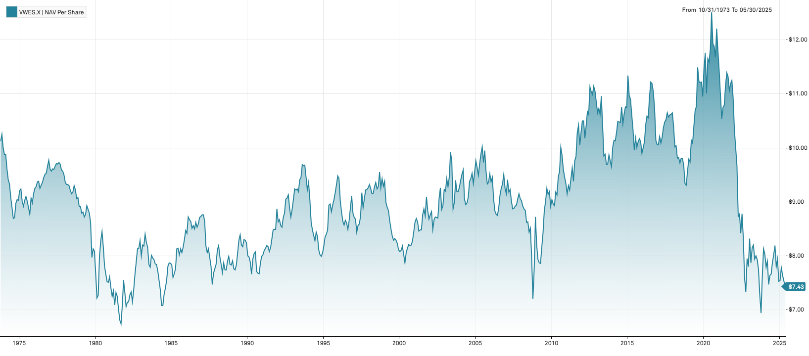
2024-05-31 | 7.64 | 2.28% |  |  | 2017-12-29 | 2017 | 5.86% | 0.0084
2024-04-30 | 7.47 | -5.44% |  |  | 2016-12-30 | 2016 | 1.62% | 0.0249
2024-03-28 | 7.90 | 1.41% |  |  | 2015-12-31 | 2015 | -7.91% | 0.0253
2024-02-29 | 7.79 | -2.99% |  |  | 2014-12-31 | 2014 | 11.40% | 0.0165
2024-01-31 | 8.03 | -1.23% |  |  | 2013-12-31 | 2013 | -11.06% | 0.0238
2023-12-29 | 8.13 | 6.69% | 4.23% | 0.05000 | 2012-12-31 | 2012 | 5.44% | 0.0208
2023-11-30 | 7.62 | 9.80% |  |  | 2011-12-30 | 2011 | 10.17% | 0.0246
2023-10-31 | 6.94 | -4.67%
2023-09-29 | 7.28 | -6.06%
2023-08-31 | 7.75 | -2.27%
2023-07-31 | 7.93 | -0.88%
2023-06-30 | 8 | 0.76%
2023-05-31 | 7.94 | -3.17%
2023-04-28 | 8.20 | 0.61%
2023-03-31 | 8.15 | 3.56%
2023-02-28 | 7.87 | -5.41%
2023-01-31 | 8.32 | 6.67%
2022-12-30 | 7.80 | -1.89% | -28.57% | 0.04900
2022-11-30 | 7.95 | 8.46%
2022-10-31 | 7.33 | -3.43%
2022-09-30 | 7.59 | -8.99%
2022-08-31 | 8.34 | -5.01%
2022-07-29 | 8.78 | 4.28%
2022-06-30 | 8.42 | -3.99%
2022-05-31 | 8.77 | 0.46%
2022-04-29 | 8.73 | -9.72%
2022-03-31 | 9.67 | -3.30%
2022-02-28 | 10 | -3.19%
2022-01-31 | 10.33 | -5.40%
2021-12-31 | 10.92 | -2.93% | -7.38% | 0.02456
2021-11-30 | 11.25 | 0.54%
2021-10-29 | 11.19 | 1.18%
2021-09-30 | 11.06 | -2.30%
2021-08-31 | 11.32 | -0.61%
2021-07-30 | 11.39 | 2.06%
2021-06-30 | 11.16 | 3.43%
2021-05-28 | 10.79 | 0.37%
2021-04-30 | 10.75 | 1.99%
2021-03-31 | 10.54 | -3.92%
2021-02-26 | 10.97 | -3.94%
2021-01-29 | 11.42 | -3.14%
2020-12-31 | 11.79 | -3.44% | 7.67% | 0.04005
2020-11-30 | 12.21 | 4.54%
2020-10-30 | 11.68 | -1.68%
2020-09-30 | 11.88 | -0.42%
2020-08-31 | 11.93 | -4.64%
2020-07-31 | 12.51 | 5.75%
2020-06-30 | 11.83 | 2.07%
2020-05-29 | 11.59 | -0.52%
2020-04-29 | 11.65 | 5.81%
2020-03-31 | 11.01 | -6.38%
2020-02-28 | 11.76 | 2.44%
2020-01-31 | 11.48 | 4.84%
2019-12-31 | 10.95 | -2.41% | 14.42% | 0.02580
2019-11-29 | 11.22 | 0.09%
2019-10-31 | 11.21 | -0.18%
2019-09-30 | 11.23 | -2.26%
2019-08-30 | 11.49 | 6.69%
2019-07-31 | 10.77 | 0.75%
2019-06-28 | 10.69 | 2.79%
2019-05-31 | 10.40 | 3.07%
2019-04-30 | 10.09 | -0.49%
2019-03-29 | 10.14 | 4.11%
2019-02-28 | 9.74 | -0.51%
2019-01-31 | 9.79 | 2.30%
2018-12-31 | 9.57 | 2.79% | -10.14% | 0.01796
2018-11-30 | 9.31 | -0.32%
2018-10-31 | 9.34 | -3.51%
2018-09-28 | 9.68 | -1.22%
2018-08-31 | 9.80 | -0.10%
2018-07-31 | 9.81 | 0.93%
2018-06-29 | 9.72 | -1.02%
2018-05-31 | 9.82 | 0.10%
2018-04-30 | 9.81 | -2.29%
2018-03-29 | 10.04 | 0.20%
2018-02-28 | 10.02 | -3.65%
2018-01-31 | 10.40 | -2.35%
2017-12-29 | 10.65 | 0.28% | 5.86% | 0.00844
2017-11-30 | 10.62 | 0.09%
2017-10-31 | 10.61 | 0.38%
2017-09-29 | 10.57 | -0.75%
2017-08-31 | 10.65 | 1.24%
2017-07-31 | 10.52 | 0.38%
2017-06-30 | 10.48 | 0.96%
2017-05-31 | 10.38 | 1.76%
2017-04-28 | 10.20 | 1.09%
2017-03-31 | 10.09 | -1.18%
2017-02-28 | 10.21 | 1.49%
2017-01-31 | 10.06 | 0.00%
2016-12-30 | 10.06 | -0.79% | 1.62% | 0.02495
2016-11-30 | 10.14 | -5.50%
2016-10-31 | 10.73 | -2.81%
2016-09-30 | 11.04 | -1.34%
2016-08-31 | 11.19 | -0.27%
2016-07-29 | 11.22 | 2.47%
2016-06-30 | 10.95 | 3.69%
2016-05-31 | 10.56 | -0.28%
2016-04-29 | 10.59 | 1.53%
2016-03-31 | 10.43 | 3.17%
2016-02-29 | 10.11 | 1.10%
2016-01-29 | 10 | 1.01%
2015-12-31 | 9.90 | -2.17% | -7.91% | 0.02532
2015-11-30 | 10.12 | -0.49%
2015-10-30 | 10.17 | 0.59%
2015-09-30 | 10.11 | 1.00%
2015-08-31 | 10.01 | -1.67%
2015-07-31 | 10.18 | 2.21%
2015-06-30 | 9.96 | -3.58%
2015-05-29 | 10.33 | -2.64%
2015-04-30 | 10.61 | -2.66%
2015-03-31 | 10.90 | -0.64%
2015-02-27 | 10.97 | -3.26%
2015-01-30 | 11.34 | 5.49%
2014-12-31 | 10.75 | -0.09% | 11.40% | 0.01653
2014-11-28 | 10.76 | 1.22%
2014-10-31 | 10.63 | 1.72%
2014-09-30 | 10.45 | -2.88%
2014-08-29 | 10.76 | 2.77%
2014-07-31 | 10.47 | -0.10%
2014-06-30 | 10.48 | -0.10%
2014-05-30 | 10.49 | 1.94%
2014-04-30 | 10.29 | 1.58%
2014-03-31 | 10.13 | -0.10%
2014-02-28 | 10.14 | 1.20%
2014-01-31 | 10.02 | 3.83%
2013-12-31 | 9.65 | -1.13% | -11.06% | 0.02381
2013-11-29 | 9.76 | -1.11%
2013-10-31 | 9.87 | 1.75%
2013-09-30 | 9.70 | 0.10%
2013-08-30 | 9.69 | -1.92%
2013-07-31 | 9.88 | 0.30%
2013-06-28 | 9.85 | -5.29%
2013-05-31 | 10.40 | -5.11%
2013-04-30 | 10.96 | 3.20%
2013-03-28 | 10.62 | -1.03%
2013-02-28 | 10.73 | 0.75%
2013-01-31 | 10.65 | -1.84%
2012-12-31 | 10.85 | -1.81% | 5.44% | 0.02085
2012-11-30 | 11.05 | -0.81%
2012-10-31 | 11.14 | 1.36%
2012-09-28 | 10.99 | -0.45%
2012-08-31 | 11.04 | -0.81%
2012-07-31 | 11.13 | 4.80%
2012-06-29 | 10.62 | -0.47%
2012-05-31 | 10.67 | 2.50%
2012-04-30 | 10.41 | 2.26%
2012-03-30 | 10.18 | -3.05%
2012-02-29 | 10.50 | 0.00%
2012-01-31 | 10.50 | 2.04%
2011-12-30 | 10.29 | 2.39% | 10.17% | 0.02462
2011-11-30 | 10.05 | -3.55%
2011-10-31 | 10.42 | 1.36%
2011-09-30 | 10.28 | 4.47%
2011-08-31 | 9.84 | 0.82%
2011-07-29 | 9.76 | 4.05%
2011-06-30 | 9.38 | -2.60%
2011-05-31 | 9.63 | 2.12%
2011-04-29 | 9.43 | 2.28%
2011-03-31 | 9.22 | -0.86%
2011-02-28 | 9.30 | 1.64%
2011-01-31 | 9.15 | -2.03%
2010-12-31 | 9.34 | -1.27% | 4.71% | 0.02201
2010-11-30 | 9.46 | -1.46%
2010-10-29 | 9.60 | -2.64%
2010-09-30 | 9.86 | -1.50%
2010-08-31 | 10.01 | 4.71%
2010-07-30 | 9.56 | 1.06%
2010-06-30 | 9.46 | 3.61%
2010-05-28 | 9.13 | -0.54%
2010-04-30 | 9.18 | 2.80%
2010-03-31 | 8.93 | -0.33%
2010-02-26 | 8.96 | -0.88%
2010-01-29 | 9.04 | 1.35%
2009-12-31 | 8.92 | -2.94% | 2.29% | 0.03124
2009-11-30 | 9.19 | 0.55%
2009-10-30 | 9.14 | -1.19%
2009-09-30 | 9.25 | 2.66%
2009-08-31 | 9.01 | 1.92%
2009-07-31 | 8.84 | 4.86%
2009-06-30 | 8.43 | 3.31%
2009-05-29 | 8.16 | 3.82%
2009-04-30 | 7.86 | -0.13%
2009-03-31 | 7.87 | -0.78%
2009-02-27 | 7.93 | -3.15%
2009-01-30 | 8.19 | -6.08%
2008-12-31 | 8.72 | 12.52% | -3.75% | 0.05497
2008-11-28 | 7.75 | 7.64%
2008-10-31 | 7.20 | -9.77%
2008-09-30 | 7.98 | -6.23%
2008-08-29 | 8.51 | 0.83%
2008-07-31 | 8.44 | -2.20%
2008-06-30 | 8.63 | 0.12%
2008-05-30 | 8.62 | -2.49%
2008-04-30 | 8.84 | -0.34%
2008-03-31 | 8.87 | -0.56%
2008-02-29 | 8.92 | -1.11%
2008-01-31 | 9.02 | -0.44%
2007-12-31 | 9.06 | -0.98% | -2.05% | 0.01503
2007-11-30 | 9.15 | 1.10%
2007-10-31 | 9.05 | 1.23%
2007-09-28 | 8.94 | 0.22%
2007-08-31 | 8.92 | 0.45%
2007-07-31 | 8.88 | 0.11%
2007-06-29 | 8.87 | -1.66%
2007-05-31 | 9.02 | -2.28%
2007-04-30 | 9.23 | 0.54%
2007-03-30 | 9.18 | -2.44%
2007-02-28 | 9.41 | 2.84%
2007-01-31 | 9.15 | -1.08%
2006-12-29 | 9.25 | -2.73%
2006-11-30 | 9.51 | 1.93%
2006-10-31 | 9.33 | 0.86%
2006-09-29 | 9.25 | 1.43%
2006-08-31 | 9.12 | 2.70%
2006-07-31 | 8.88 | 1.49%
2006-06-30 | 8.75 | -0.23%
2006-05-31 | 8.77 | -0.68%
2006-04-28 | 8.83 | -2.43%
2006-03-31 | 9.05 | -4.23%
2006-02-28 | 9.45 | 0.85%
2006-01-31 | 9.37 | -1.58%
2005-12-30 | 9.52 | 1.71%
2005-11-30 | 9.36 | 0.32%
2005-10-31 | 9.33 | -2.51%
2005-09-30 | 9.57 | -3.82%
2005-08-31 | 9.95 | 2.26%
2005-07-29 | 9.73 | -2.89%
2005-06-30 | 10.02 | 1.31%
2005-05-31 | 9.89 | 1.85%
2005-04-29 | 9.71 | 2.32%
2005-03-31 | 9.49 | -1.45%
2005-02-28 | 9.63 | -1.33%
2005-01-31 | 9.76 | 2.20%
2004-12-31 | 9.55 | 2.25%
2004-11-30 | 9.34 | -1.99%
2004-10-29 | 9.53 | 1.06%
2004-09-30 | 9.43 | 0.53%
2004-08-31 | 9.38 | 3.19%
2004-07-30 | 9.09 | 1.22%
2004-06-30 | 8.98 | 0.34%
2004-05-31 | 8.95 | -1.10%
2004-04-30 | 9.05 | -5.63%
2004-03-31 | 9.59 | 0.84%
2004-02-27 | 9.51 | 1.17%
2004-01-30 | 9.40 | 1.40%
2003-12-31 | 9.27 | 0.87%
2003-11-28 | 9.19 | 0.00%
2003-10-31 | 9.19 | -2.23%
2003-09-30 | 9.40 | 4.56%
2003-08-29 | 8.99 | 1.35%
2003-07-31 | 8.87 | -9.03%
2003-06-30 | 9.75 | -1.71%
2003-05-30 | 9.92 | 4.86%
2003-04-30 | 9.46 | 1.94%
2003-03-31 | 9.28 | -1.59%
2003-02-28 | 9.43 | 2.50%
2003-01-31 | 9.20 | -0.33%
2002-12-31 | 9.23 | 3.36%
2002-11-29 | 8.93 | 0.79%
2002-10-31 | 8.86 | -4.32%
2002-09-30 | 9.26 | 2.09%
2002-08-30 | 9.07 | 4.25%
2002-07-31 | 8.70 | -0.11%
2002-06-28 | 8.71 | -0.11%
2002-05-31 | 8.72 | 0.58%
2002-04-30 | 8.67 | 2.12%
2002-03-29 | 8.49 | -3.74%
2002-02-28 | 8.82 | 0.68%
2002-01-31 | 8.76 | 0.92%
2001-12-31 | 8.68 | -1.81%
2001-11-30 | 8.84 | -2.75%
2001-10-31 | 9.09 | 4.00%
2001-09-28 | 8.74 | -1.47%
2001-08-31 | 8.87 | 1.26%
2001-07-31 | 8.76 | 3.30%
2001-06-29 | 8.48 | 0.00%
2001-05-31 | 8.48 | 0.24%
2001-04-30 | 8.46 | -1.97%
2001-03-30 | 8.63 | -0.69%
2001-02-28 | 8.69 | 0.70%
2001-01-31 | 8.63 | 2.13%
2000-12-29 | 8.45 | 2.05%
2000-11-30 | 8.28 | 0.98%
2000-10-31 | 8.20 | 0.12%
2000-09-29 | 8.19 | -0.24%
2000-08-31 | 8.21 | 0.86%
2000-07-31 | 8.14 | 0.99%
2000-06-30 | 8.06 | 2.41%
2000-05-31 | 7.87 | -1.99%
2000-04-28 | 8.03 | -1.83%
2000-03-31 | 8.18 | 0.99%
2000-02-29 | 8.10 | 0.25%
2000-01-31 | 8.08 | -0.37%
1999-12-31 | 8.11 | -1.46%
1999-11-30 | 8.23 | -0.72%
1999-10-29 | 8.29 | -0.36%
1999-09-30 | 8.32 | 0.36%
1999-08-31 | 8.29 | -0.96%
1999-07-30 | 8.37 | -1.53%
1999-06-30 | 8.50 | -1.73%
1999-05-31 | 8.65 | -2.15%
1999-04-30 | 8.84 | -0.67%
1999-03-31 | 8.90 | -1.00%
1999-02-26 | 8.99 | -4.16%
1999-01-29 | 9.38 | 0.97%
1998-12-31 | 9.29 | -1.48%
1998-11-30 | 9.43 | 1.84%
1998-10-30 | 9.26 | -3.04%
1998-09-30 | 9.55 | 2.91%
1998-08-31 | 9.28 | 0.43%
1998-07-31 | 9.24 | -1.28%
1998-06-30 | 9.36 | 0.86%
1998-05-29 | 9.28 | 1.31%
1998-04-30 | 9.16 | 0.11%
1998-03-31 | 9.15 | -1.08%
1998-02-27 | 9.25 | -0.75%
1998-01-30 | 9.32 | 0.65%
1997-12-31 | 9.26 | 0.33%
1997-11-28 | 9.23 | 0.11%
1997-10-31 | 9.22 | 1.77%
1997-09-30 | 9.06 | 1.91%
1997-08-29 | 8.89 | -3.05%
1997-07-31 | 9.17 | 5.04%
1997-06-30 | 8.73 | 1.63%
1997-05-30 | 8.59 | 0.35%
1997-04-30 | 8.56 | 1.42%
1997-03-31 | 8.44 | -2.76%
1997-02-28 | 8.68 | -0.34%
1997-01-31 | 8.71 | -0.91%
1996-12-31 | 8.79 | -3.51%
1996-11-29 | 9.11 | 2.47%
1996-10-31 | 8.89 | 2.77%
1996-09-30 | 8.65 | 1.88%
1996-08-30 | 8.49 | -1.39%
1996-07-31 | 8.61 | -0.58%
1996-06-28 | 8.66 | 1.05%
1996-05-31 | 8.57 | -0.81%
1996-04-30 | 8.64 | -1.93%
1996-03-29 | 8.81 | -2.33%
1996-02-29 | 9.02 | -4.35%
1996-01-31 | 9.43 | -0.53%
1995-12-29 | 9.48 | 1.72%
1995-11-30 | 9.32 | 1.64%
1995-10-31 | 9.17 | 1.44%
1995-09-29 | 9.04 | 1.12%
1995-08-31 | 8.94 | 1.36%
1995-07-31 | 8.82 | -1.56%
1995-06-30 | 8.96 | 0.22%
1995-05-31 | 8.94 | 5.42%
1995-04-28 | 8.48 | 0.95%
1995-03-31 | 8.40 | 0.60%
1995-02-28 | 8.35 | 2.08%
1995-01-31 | 8.18 | 1.61%
1994-12-30 | 8.05 | 0.75%
1994-11-30 | 7.99 | -0.37%
1994-10-31 | 8.02 | -1.11%
1994-09-30 | 8.11 | -2.99%
1994-08-31 | 8.36 | -0.95%
1994-07-29 | 8.44 | 1.93%
1994-06-30 | 8.28 | -1.19%
1994-05-31 | 8.38 | -1.18%
1994-04-29 | 8.48 | -1.74%
1994-03-31 | 8.63 | -4.54%
1994-02-28 | 9.04 | -3.42%
1994-01-31 | 9.36 | 1.52%
1993-12-31 | 9.22 | -2.54%
1993-11-30 | 9.46 | -2.27%
1993-10-29 | 9.68 | 0.10%
1993-09-30 | 9.67 | -0.21%
1993-08-31 | 9.69 | 2.54%
1993-07-30 | 9.45 | 0.43%
1993-06-30 | 9.41 | 2.39%
1993-05-31 | 9.19 | -0.54%
1993-04-30 | 9.24 | 0.22%
1993-03-31 | 9.22 | -0.22%
1993-02-26 | 9.24 | 2.21%
1993-01-29 | 9.04 | 2.03%
1992-12-31 | 8.86 | 1.61%
1992-11-30 | 8.72 | -1.80%
1992-10-30 | 8.88 | -2.74%
1992-09-30 | 9.13 | 0.66%
1992-08-31 | 9.07 | 0.22%
1992-07-31 | 9.05 | 2.96%
1992-06-30 | 8.79 | 0.92%
1992-05-29 | 8.71 | 2.11%
1992-04-30 | 8.53 | -0.35%
1992-03-31 | 8.56 | -1.27%
1992-02-28 | 8.67 | 0.46%
1992-01-31 | 8.63 | -2.71%
1991-12-31 | 8.87 | 4.48%
1991-11-29 | 8.49 | 0.00%
1991-10-31 | 8.49 | 0.12%
1991-09-30 | 8.48 | 2.05%
1991-08-30 | 8.31 | 1.96%
1991-07-31 | 8.15 | 0.87%
1991-06-28 | 8.08 | -1.10%
1991-05-31 | 8.17 | -0.24%
1991-04-30 | 8.19 | 0.61%
1991-03-29 | 8.14 | 0.49%
1991-02-28 | 8.10 | 1.00%
1991-01-31 | 8.02 | 0.38%
1990-12-31 | 7.99 | 1.52%
1990-11-30 | 7.87 | 2.61%
1990-10-31 | 7.67 | -0.13%
1990-09-28 | 7.68 | -0.39%
1990-08-31 | 7.71 | -4.46%
1990-07-31 | 8.07 | 0.37%
1990-06-29 | 8.04 | 1.26%
1990-05-31 | 7.94 | 3.66%
1990-04-30 | 7.66 | -2.79%
1990-03-30 | 7.88 | -1.25%
1990-02-28 | 7.98 | -0.25%
1990-01-31 | 8 | -2.91%
1989-12-29 | 8.24 | -0.60%
1989-11-30 | 8.29 | -0.12%
1989-10-31 | 8.30 | 1.59%
1989-09-29 | 8.17 | -0.37%
1989-08-31 | 8.20 | -2.26%
1989-07-31 | 8.39 | 1.21%
1989-06-30 | 8.29 | 2.98%
1989-05-31 | 8.05 | 2.81%
1989-04-28 | 7.83 | 1.16%
1989-03-31 | 7.74 | -0.26%
1989-02-28 | 7.76 | -1.90%
1989-01-31 | 7.91 | 1.02%
1988-12-30 | 7.83 | -0.13%
1988-11-30 | 7.84 | -1.88%
1988-10-31 | 7.99 | 1.14%
1988-09-30 | 7.90 | 2.07%
1988-08-31 | 7.74 | 0.00%
1988-07-29 | 7.74 | -1.65%
1988-06-30 | 7.87 | 2.34%
1988-05-31 | 7.69 | -1.91%
1988-04-29 | 7.84 | -1.75%
1988-03-31 | 7.98 | -2.56%
1988-02-29 | 8.19 | 0.99%
1988-01-29 | 8.11 | 3.44%
1987-12-31 | 7.84 | 1.03%
1987-11-30 | 7.76 | 1.04%
1987-10-30 | 7.68 | 2.81%
1987-09-30 | 7.47 | -4.35%
1987-08-31 | 7.81 | -2.01%
1987-07-31 | 7.97 | -1.97%
1987-06-30 | 8.13 | 0.87%
1987-05-29 | 8.06 | -1.47%
1987-04-30 | 8.18 | -5.32%
1987-03-31 | 8.64 | -1.37%
1987-02-27 | 8.76 | 0.00%
1987-01-30 | 8.76 | 0.34%
1986-12-31 | 8.73 | 0.23%
1986-11-28 | 8.71 | 1.40%
1986-10-31 | 8.59 | 0.70%
1986-09-30 | 8.53 | -1.04%
1986-08-29 | 8.62 | 1.41%
1986-07-31 | 8.50 | -0.70%
1986-06-30 | 8.56 | 0.59%
1986-05-30 | 8.51 | -1.50%
1986-04-30 | 8.64 | -0.35%
1986-03-31 | 8.67 | -0.57%
1986-02-28 | 8.72 | 3.56%
1986-01-31 | 8.42 | -0.59%
1985-12-31 | 8.47 | 2.05%
1985-11-29 | 8.30 | 1.72%
1985-10-31 | 8.16 | 1.24%
1985-09-30 | 8.06 | -0.86%
1985-08-30 | 8.13 | 1.37%
1985-07-31 | 8.02 | -1.47%
1985-06-28 | 8.14 | 0.12%
1985-05-31 | 8.13 | 4.77%
1985-04-30 | 7.76 | 1.17%
1985-03-29 | 7.67 | 0.92%
1985-02-28 | 7.60 | -3.06%
1985-01-31 | 7.84 | -0.25%
1984-12-31 | 7.86 | -0.13%
1984-11-30 | 7.87 | 0.77%
1984-10-31 | 7.81 | 3.44%
1984-09-28 | 7.55 | 2.03%
1984-08-31 | 7.40 | 1.51%
1984-07-31 | 7.29 | 2.97%
1984-06-29 | 7.08 | 0.00%
1984-05-31 | 7.08 | -3.93%
1984-04-30 | 7.37 | -2.38%
1984-03-30 | 7.55 | -2.20%
1984-02-29 | 7.72 | -1.53%
1984-01-31 | 7.84 | -0.13%
1983-12-30 | 7.85 | -1.01%
1983-11-30 | 7.93 | -0.38%
1983-10-31 | 7.96 | -0.62%
1983-09-30 | 8.01 | 2.82%
1983-08-31 | 7.79 | -0.64%
1983-07-29 | 7.84 | -3.92%
1983-06-30 | 8.16 | -1.09%
1983-05-31 | 8.25 | -1.79%
1983-04-29 | 8.40 | 2.69%
1983-03-31 | 8.18 | -0.24%
1983-02-28 | 8.20 | 2.50%
1983-01-31 | 8 | -3.38%
1982-12-31 | 8.28 | 1.72%
1982-11-30 | 8.14 | 0.12%
1982-10-29 | 8.13 | 3.04%
1982-09-30 | 7.89 | 3.00%
1982-08-31 | 7.66 | 3.93%
1982-07-30 | 7.37 | 3.08%
1982-06-30 | 7.15 | -2.46%
1982-05-31 | 7.33 | 0.69%
1982-04-30 | 7.28 | 1.82%
1982-03-31 | 7.15 | 0.14%
1982-02-26 | 7.14 | 1.13%
1982-01-29 | 7.06 | -3.55%
1981-12-31 | 7.32 | -3.05%
1981-11-30 | 7.55 | 6.64%
1981-10-30 | 7.08 | 5.04%
1981-09-30 | 6.74 | -1.03%
1981-08-31 | 6.81 | -2.99%
1981-07-31 | 7.02 | -3.17%
1981-06-30 | 7.25 | -0.96%
1981-05-29 | 7.32 | 3.24%
1981-04-30 | 7.09 | -3.54%
1981-03-31 | 7.35 | 1.38%
1981-02-27 | 7.25 | -2.16%
1981-01-30 | 7.41 | -2.63%
1980-12-31 | 7.61 | 1.33%
1980-11-28 | 7.51 | -0.13%
1980-10-31 | 7.52 | -1.83%
1980-09-30 | 7.66 | -1.92%
1980-08-29 | 7.81 | -4.41%
1980-07-31 | 8.17 | -3.31%
1980-06-30 | 8.45 | 2.05%
1980-05-30 | 8.28 | 3.63%
1980-04-30 | 7.99 | 9.90%
1980-03-31 | 7.27 | 0.69%
1980-02-29 | 7.22 | -5.99%
1980-01-31 | 7.68 | -5.07%
1979-12-31 | 8.09 | -0.49%
1979-11-30 | 8.13 | 2.01%
1979-10-31 | 7.97 | -7.43%
1979-09-28 | 8.61 | -2.05%
1979-08-31 | 8.79 | -0.79%
1979-07-31 | 8.86 | -0.78%
1979-06-29 | 8.93 | 1.82%
1979-05-31 | 8.77 | 0.57%
1979-04-30 | 8.72 | -1.02%
1979-03-30 | 8.81 | 0.23%
1979-02-28 | 8.79 | -1.35%
1979-01-31 | 8.91 | 0.00%
1978-12-29 | 8.91 | -1.87%
1978-11-30 | 9.08 | 0.22%
1978-10-31 | 9.06 | -1.74%
1978-09-29 | 9.22 | -0.86%
1978-08-31 | 9.30 | 1.31%
1978-07-31 | 9.18 | 0.33%
1978-06-30 | 9.15 | -0.65%
1978-05-31 | 9.21 | -0.97%
1978-04-28 | 9.30 | -0.21%
1978-03-31 | 9.32 | 0.00%
1978-02-28 | 9.32 | -0.43%
1978-01-31 | 9.36 | -1.47%
1977-12-30 | 9.50 | -0.73%
1977-11-30 | 9.57 | -0.21%
1977-10-31 | 9.59 | -1.13%
1977-09-30 | 9.70 | -0.31%
1977-08-31 | 9.73 | 0.31%
1977-07-29 | 9.70 | -0.10%
1977-06-30 | 9.71 | 0.52%
1977-05-31 | 9.66 | 0.63%
1977-04-29 | 9.60 | -0.10%
1977-03-31 | 9.61 | 0.42%
1977-02-28 | 9.57 | -0.42%
1977-01-31 | 9.61 | -1.64%
1976-12-31 | 9.77 | 1.14%
1976-11-30 | 9.66 | 1.36%
1976-10-29 | 9.53 | 0.21%
1976-09-30 | 9.51 | 0.63%
1976-08-31 | 9.45 | 0.96%
1976-07-30 | 9.36 | 0.54%
1976-06-30 | 9.31 | 0.65%
1976-05-31 | 9.25 | -1.39%
1976-04-30 | 9.38 | 0.11%
1976-03-31 | 9.37 | 0.97%
1976-02-27 | 9.28 | 0.32%
1976-01-30 | 9.25 | 1.09%
1975-12-31 | 9.15 | 1.89%
1975-11-28 | 8.98 | -0.99%
1975-10-31 | 9.07 | 3.42%
1975-09-30 | 8.77 | -1.35%
1975-08-29 | 8.89 | -1.33%
1975-07-31 | 9.01 | -0.99%
1975-06-30 | 9.10 | 0.78%
1975-05-30 | 9.03 | 1.23%
1975-04-30 | 8.92 | -1.00%
1975-03-31 | 9.01 | -2.49%
1975-02-28 | 9.24 | 0.33%
1975-01-31 | 9.21 | 1.99%
1974-12-31 | 9.03 | -0.11%
1974-11-29 | 9.04 | 0.78%
1974-10-31 | 8.97 | 2.99%
1974-09-30 | 8.71 | 0.23%
1974-08-30 | 8.69 | -2.25%
1974-07-31 | 8.89 | -2.09%
1974-06-28 | 9.08 | -2.68%
1974-05-31 | 9.33 | -0.85%
1974-04-30 | 9.41 | -2.08%
1974-03-29 | 9.61 | -2.73%
1974-02-28 | 9.88 | 0.00%
1974-01-31 | 9.88 | -1.20%
1973-12-31 | 10 | -2.44%
1973-11-30 | 10.25 | 1.23%
1973-10-31 | 10.13

VFSTX bond data
Pricing Date | VFSU.X | NAV Per Share (Monthly)($) | Monthly Returns (%) | Yearly Returns (%) | Yearly STDEV | Full year | Year | Returns (%) | StDev
2024-12-31 | 10.31 | -0.48% | 0.78% | 0.00742 | 2024-12-31 | 2024 | 0.78% | 0.0074
2024-11-29 | 10.36 | 0.29% |  |  | 2023-12-29 | 2023 | 2.81% | 0.0104 | Vanguard Fixed Income Securities Funds - Vanguard Short-Term Investment-Grade Fu | Stock Chart
2024-10-31 | 10.33 | -1.24% |  |  | 2022-12-30 | 2022 | -7.61% | 0.0122
2024-09-30 | 10.46 | 0.67% |  |  | 2021-12-31 | 2021 | -2.36% | 0.0031 | VFST.X (MI Key: 5976463; SPCIQ Key: 54209777)
2024-08-30 | 10.39 | 0.68% |  |  | 2020-12-31 | 2020 | 2.80% | 0.0123
2024-07-31 | 10.32 | 1.28% |  |  | 2019-12-31 | 2019 | 2.78% | 0.0033 | See Data Tab for underlying data
2024-06-28 | 10.19 | 0.20% |  |  | 2018-12-31 | 2018 | -1.79% | 0.0031
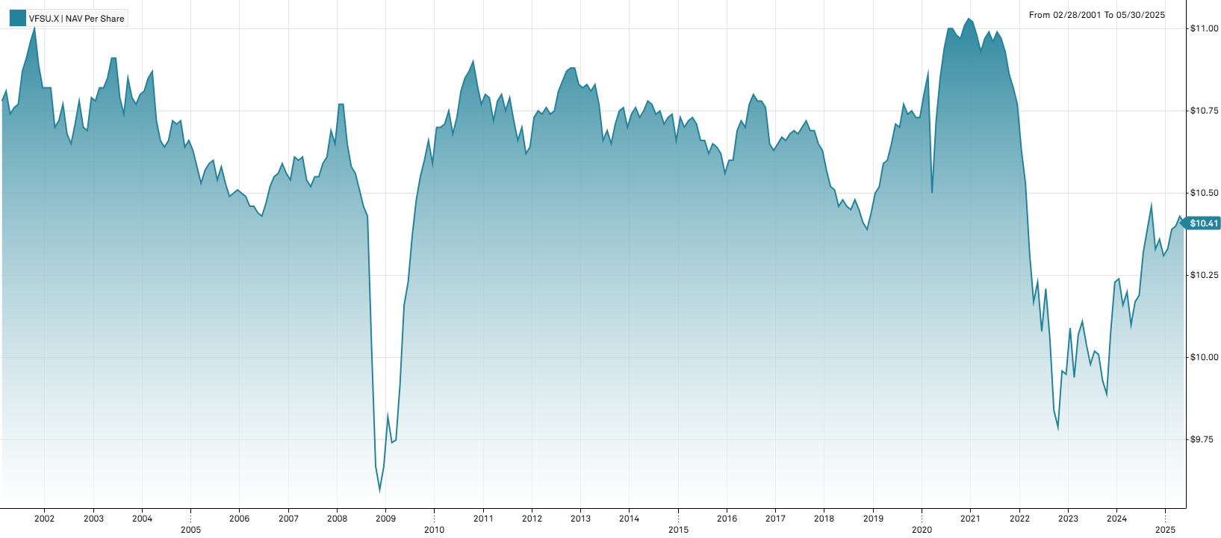
2024-05-31 | 10.17 | 0.69% |  |  | 2017-12-29 | 2017 | 0.00% | 0.0019
2024-04-30 | 10.10 | -0.98% |  |  | 2016-12-30 | 2016 | 0.66% | 0.0047
2024-03-28 | 10.20 | 0.39% |  |  | 2015-12-31 | 2015 | -0.94% | 0.0033
2024-02-29 | 10.16 | -0.78% |  |  | 2014-12-31 | 2014 | -0.37% | 0.0031
2024-01-31 | 10.24 | 0.10% |  |  | 2013-12-31 | 2013 | -1.20% | 0.0044
2023-12-29 | 10.23 | 1.49% | 2.81% | 0.01045 | 2012-12-31 | 2012 | 1.79% | 0.0032
2023-11-30 | 10.08 | 1.92% |  |  | 2011-12-30 | 2011 | -1.21% | 0.0046
2023-10-31 | 9.89 | -0.40%
2023-09-29 | 9.93 | -0.80%
2023-08-31 | 10.01 | -0.10%
2023-07-31 | 10.02 | 0.40%
2023-06-30 | 9.98 | -0.60%
2023-05-31 | 10.04 | -0.69%
2023-04-28 | 10.11 | 0.40%
2023-03-31 | 10.07 | 1.31%
2023-02-28 | 9.94 | -1.49%
2023-01-31 | 10.09 | 1.41%
2022-12-30 | 9.95 | -0.10% | -7.61% | 0.01224
2022-11-30 | 9.96 | 1.74%
2022-10-31 | 9.79 | -0.51%
2022-09-30 | 9.84 | -2.19%
2022-08-31 | 10.06 | -1.47%
2022-07-29 | 10.21 | 1.29%
2022-06-30 | 10.08 | -1.47%
2022-05-31 | 10.23 | 0.59%
2022-04-29 | 10.17 | -1.45%
2022-03-31 | 10.32 | -1.99%
2022-02-28 | 10.53 | -0.94%
2022-01-31 | 10.63 | -1.30%
2021-12-31 | 10.77 | -0.46% | -2.36% | 0.00305
2021-11-30 | 10.82 | -0.37%
2021-10-29 | 10.86 | -0.64%
2021-09-30 | 10.93 | -0.36%
2021-08-31 | 10.97 | -0.18%
2021-07-30 | 10.99 | 0.27%
2021-06-30 | 10.96 | -0.27%
2021-05-28 | 10.99 | 0.18%
2021-04-30 | 10.97 | 0.37%
2021-03-31 | 10.93 | -0.46%
2021-02-26 | 10.98 | -0.36%
2021-01-29 | 11.02 | -0.09%
2020-12-31 | 11.03 | 0.18% | 2.80% | 0.01228
2020-11-30 | 11.01 | 0.36%
2020-10-30 | 10.97 | -0.09%
2020-09-30 | 10.98 | -0.18%
2020-08-31 | 11 | 0.00%
2020-07-31 | 11 | 0.55%
2020-06-30 | 10.94 | 0.83%
2020-05-29 | 10.85 | 1.21%
2020-04-29 | 10.72 | 2.10%
2020-03-31 | 10.50 | -3.31%
2020-02-28 | 10.86 | 0.56%
2020-01-31 | 10.80 | 0.65%
2019-12-31 | 10.73 | 0.00% | 2.78% | 0.00327
2019-11-29 | 10.73 | -0.19%
2019-10-31 | 10.75 | 0.09%
2019-09-30 | 10.74 | -0.28%
2019-08-30 | 10.77 | 0.65%
2019-07-31 | 10.70 | -0.09%
2019-06-28 | 10.71 | 0.56%
2019-05-31 | 10.65 | 0.47%
2019-04-30 | 10.60 | 0.09%
2019-03-29 | 10.59 | 0.67%
2019-02-28 | 10.52 | 0.19%
2019-01-31 | 10.50 | 0.57%
2018-12-31 | 10.44 | 0.48% | -1.79% | 0.00312
2018-11-30 | 10.39 | -0.19%
2018-10-31 | 10.41 | -0.38%
2018-09-28 | 10.45 | -0.29%
2018-08-31 | 10.48 | 0.29%
2018-07-31 | 10.45 | -0.10%
2018-06-29 | 10.46 | -0.19%
2018-05-31 | 10.48 | 0.19%
2018-04-30 | 10.46 | -0.48%
2018-03-29 | 10.51 | -0.10%
2018-02-28 | 10.52 | -0.47%
2018-01-31 | 10.57 | -0.56%
2017-12-29 | 10.63 | -0.19% | 0.00% | 0.00195
2017-11-30 | 10.65 | -0.37%
2017-10-31 | 10.69 | 0.00%
2017-09-29 | 10.69 | -0.28%
2017-08-31 | 10.72 | 0.19%
2017-07-31 | 10.70 | 0.19%
2017-06-30 | 10.68 | -0.09%
2017-05-31 | 10.69 | 0.09%
2017-04-28 | 10.68 | 0.19%
2017-03-31 | 10.66 | -0.09%
2017-02-28 | 10.67 | 0.19%
2017-01-31 | 10.65 | 0.19%
2016-12-30 | 10.63 | -0.19% | 0.66% | 0.00465
2016-11-30 | 10.65 | -1.02%
2016-10-31 | 10.76 | -0.19%
2016-09-30 | 10.78 | 0.00%
2016-08-31 | 10.78 | -0.19%
2016-07-29 | 10.80 | 0.28%
2016-06-30 | 10.77 | 0.65%
2016-05-31 | 10.70 | -0.19%
2016-04-29 | 10.72 | 0.28%
2016-03-31 | 10.69 | 0.85%
2016-02-29 | 10.60 | 0.00%
2016-01-29 | 10.60 | 0.38%
2015-12-31 | 10.56 | -0.56% | -0.94% | 0.00331
2015-11-30 | 10.62 | -0.19%
2015-10-30 | 10.64 | -0.09%
2015-09-30 | 10.65 | 0.28%
2015-08-31 | 10.62 | -0.38%
2015-07-31 | 10.66 | 0.00%
2015-06-30 | 10.66 | -0.47%
2015-05-29 | 10.71 | -0.19%
2015-04-30 | 10.73 | 0.09%
2015-03-31 | 10.72 | 0.19%
2015-02-27 | 10.70 | -0.28%
2015-01-30 | 10.73 | 0.66%
2014-12-31 | 10.66 | -0.74% | -0.37% | 0.00314
2014-11-28 | 10.74 | 0.09%
2014-10-31 | 10.73 | 0.19%
2014-09-30 | 10.71 | -0.37%
2014-08-29 | 10.75 | 0.09%
2014-07-31 | 10.74 | -0.28%
2014-06-30 | 10.77 | -0.09%
2014-05-30 | 10.78 | 0.28%
2014-04-30 | 10.75 | 0.19%
2014-03-31 | 10.73 | -0.28%
2014-02-28 | 10.76 | 0.19%
2014-01-31 | 10.74 | 0.37%
2013-12-31 | 10.70 | -0.56% | -1.20% | 0.00439
2013-11-29 | 10.76 | 0.09%
2013-10-31 | 10.75 | 0.37%
2013-09-30 | 10.71 | 0.56%
2013-08-30 | 10.65 | -0.37%
2013-07-31 | 10.69 | 0.28%
2013-06-28 | 10.66 | -1.02%
2013-05-31 | 10.77 | -0.55%
2013-04-30 | 10.83 | 0.19%
2013-03-28 | 10.81 | -0.18%
2013-02-28 | 10.83 | 0.09%
2013-01-31 | 10.82 | -0.09%
2012-12-31 | 10.83 | -0.46% | 1.79% | 0.00324
2012-11-30 | 10.88 | 0.00%
2012-10-31 | 10.88 | 0.09%
2012-09-28 | 10.87 | 0.28%
2012-08-31 | 10.84 | 0.28%
2012-07-31 | 10.81 | 0.56%
2012-06-29 | 10.75 | 0.09%
2012-05-31 | 10.74 | -0.19%
2012-04-30 | 10.76 | 0.19%
2012-03-30 | 10.74 | -0.09%
2012-02-29 | 10.75 | 0.19%
2012-01-31 | 10.73 | 0.85%
2011-12-30 | 10.64 | 0.19% | -1.21% | 0.00462
2011-11-30 | 10.62 | -0.75%
2011-10-31 | 10.70 | 0.38%
2011-09-30 | 10.66 | -0.56%
2011-08-31 | 10.72 | -0.65%
2011-07-29 | 10.79 | 0.37%
2011-06-30 | 10.75 | -0.46%
2011-05-31 | 10.80 | 0.19%
2011-04-29 | 10.78 | 0.56%
2011-03-31 | 10.72 | -0.65%
2011-02-28 | 10.79 | -0.09%
2011-01-31 | 10.80 | 0.28%
2010-12-31 | 10.77 | -0.55% | 1.70% | 0.00512
2010-11-30 | 10.83 | -0.64%
2010-10-29 | 10.90 | 0.28%
2010-09-30 | 10.87 | 0.18%
2010-08-31 | 10.85 | 0.37%
2010-07-30 | 10.81 | 0.75%
2010-06-30 | 10.73 | 0.47%
2010-05-28 | 10.68 | -0.65%
2010-04-30 | 10.75 | 0.37%
2010-03-31 | 10.71 | 0.09%
2010-02-26 | 10.70 | 0.00%
2010-01-29 | 10.70 | 1.04%
2009-12-31 | 10.59 | -0.66% | 9.51% | 0.00905
2009-11-30 | 10.66 | 0.57%
2009-10-30 | 10.60 | 0.47%
2009-09-30 | 10.55 | 0.67%
2009-08-31 | 10.48 | 1.06%
2009-07-31 | 10.37 | 1.37%
2009-06-30 | 10.23 | 0.69%
2009-05-29 | 10.16 | 2.42%
2009-04-30 | 9.92 | 1.74%
2009-03-31 | 9.75 | 0.08%
2009-02-27 | 9.74 | -0.79%
2009-01-30 | 9.82 | 1.55%
2008-12-31 | 9.67 | 0.73% | -9.20% | 0.01433
2008-11-28 | 9.60 | -0.72%
2008-10-31 | 9.67 | -3.59%
2008-09-30 | 10.03 | -3.84%
2008-08-29 | 10.43 | -0.29%
2008-07-31 | 10.46 | -0.48%
2008-06-30 | 10.51 | -0.47%
2008-05-30 | 10.56 | -0.19%
2008-04-30 | 10.58 | -0.66%
2008-03-31 | 10.65 | -1.11%
2008-02-29 | 10.77 | 0.00%
2008-01-31 | 10.77 | 1.13%
2007-12-31 | 10.65 | -0.37% | 0.85% | 0.00395
2007-11-30 | 10.69 | 0.75%
2007-10-31 | 10.61 | 0.19%
2007-09-28 | 10.59 | 0.38%
2007-08-31 | 10.55 | 0.00%
2007-07-31 | 10.55 | 0.29%
2007-06-29 | 10.52 | -0.19%
2007-05-31 | 10.54 | -0.66%
2007-04-30 | 10.61 | 0.09%
2007-03-30 | 10.60 | -0.09%
2007-02-28 | 10.61 | 0.66%
2007-01-31 | 10.54 | -0.19%
2006-12-29 | 10.56 | -0.28%
2006-11-30 | 10.59 | 0.28%
2006-10-31 | 10.56 | 0.09%
2006-09-29 | 10.55 | 0.29%
2006-08-31 | 10.52 | 0.48%
2006-07-31 | 10.47 | 0.38%
2006-06-30 | 10.43 | -0.10%
2006-05-31 | 10.44 | -0.19%
2006-04-28 | 10.46 | 0.00%
2006-03-31 | 10.46 | -0.29%
2006-02-28 | 10.49 | -0.10%
2006-01-31 | 10.50 | -0.10%
2005-12-30 | 10.51 | 0.10%
2005-11-30 | 10.50 | 0.10%
2005-10-31 | 10.49 | -0.38%
2005-09-30 | 10.53 | -0.47%
2005-08-31 | 10.58 | 0.38%
2005-07-29 | 10.54 | -0.57%
2005-06-30 | 10.60 | 0.09%
2005-05-31 | 10.59 | 0.19%
2005-04-29 | 10.57 | 0.38%
2005-03-31 | 10.53 | -0.47%
2005-02-28 | 10.58 | -0.47%
2005-01-31 | 10.63 | -0.28%
2004-12-31 | 10.66 | 0.19%
2004-11-30 | 10.64 | -0.75%
2004-10-29 | 10.72 | 0.09%
2004-09-30 | 10.71 | -0.09%
2004-08-31 | 10.72 | 0.56%
2004-07-30 | 10.66 | 0.19%
2004-06-30 | 10.64 | -0.19%
2004-05-31 | 10.66 | -0.56%
2004-04-30 | 10.72 | -1.38%
2004-03-31 | 10.87 | 0.18%
2004-02-27 | 10.85 | 0.37%
2004-01-30 | 10.81 | 0.09%
2003-12-31 | 10.80 | 0.28%
2003-11-28 | 10.77 | -0.19%
2003-10-31 | 10.79 | -0.55%
2003-09-30 | 10.85 | 1.02%
2003-08-29 | 10.74 | -0.46%
2003-07-31 | 10.79 | -1.10%
2003-06-30 | 10.91 | 0.00%
2003-05-30 | 10.91 | 0.55%
2003-04-30 | 10.85 | 0.28%
2003-03-31 | 10.82 | 0.00%
2003-02-28 | 10.82 | 0.37%
2003-01-31 | 10.78 | -0.09%
2002-12-31 | 10.79 | 0.94%
2002-11-29 | 10.69 | -0.09%
2002-10-31 | 10.70 | -0.74%
2002-09-30 | 10.78 | 0.65%
2002-08-30 | 10.71 | 0.56%
2002-07-31 | 10.65 | -0.28%
2002-06-28 | 10.68 | -0.84%
2002-05-31 | 10.77 | 0.47%
2002-04-30 | 10.72 | 0.19%
2002-03-29 | 10.70 | -1.11%
2002-02-28 | 10.82 | 0.00%
2002-01-31 | 10.82 | 0.00%
2001-12-31 | 10.82 | -0.64%
2001-11-30 | 10.89 | -1.00%
2001-10-31 | 11 | 0.36%
2001-09-28 | 10.96 | 0.46%
2001-08-31 | 10.91 | 0.37%
2001-07-31 | 10.87 | 0.93%
2001-06-29 | 10.77 | 0.09%
2001-05-31 | 10.76 | 0.19%
2001-04-30 | 10.74 | -0.65%
2001-03-30 | 10.81 | 0.28%
2001-02-28 | 10.78

VMBS bond data
Pricing Date | VMBS | Share Price (Monthly)($) | Monthy Returns (%) | Yearly Returns (%) | Yearly STDEV | Full year | Year | Returns (%) | StDev
2024-12-31 | 45.34 | -2.20% | -2.20% | 0.01777 | 2024-12-31 | 2024 | -2.20% | 0.0178 | Vanguard Scottsdale Funds - Vanguard Mortgage-Backed Securities ETF | Stock Chart
2024-11-29 | 46.36 | 1.20% |  |  | 2023-12-29 | 2023 | 1.85% | 0.0257
2024-10-31 | 45.81 | -2.97% |  |  | 2022-12-30 | 2022 | -13.85% | 0.0254 | NASDAQGM:VMBS (MI Key: 5730736; SPCIQ Key: 81834872)
2024-09-30 | 47.21 | 0.83% |  |  | 2021-12-31 | 2021 | -2.27% | 0.0037
2024-08-30 | 46.82 | 0.97% |  |  | 2020-12-31 | 2020 | 1.69% | 0.0044 | See Data Tab for underlying data
2024-07-31 | 46.37 | 2.14% |  |  | 2019-12-31 | 2019 | 3.26% | 0.0050
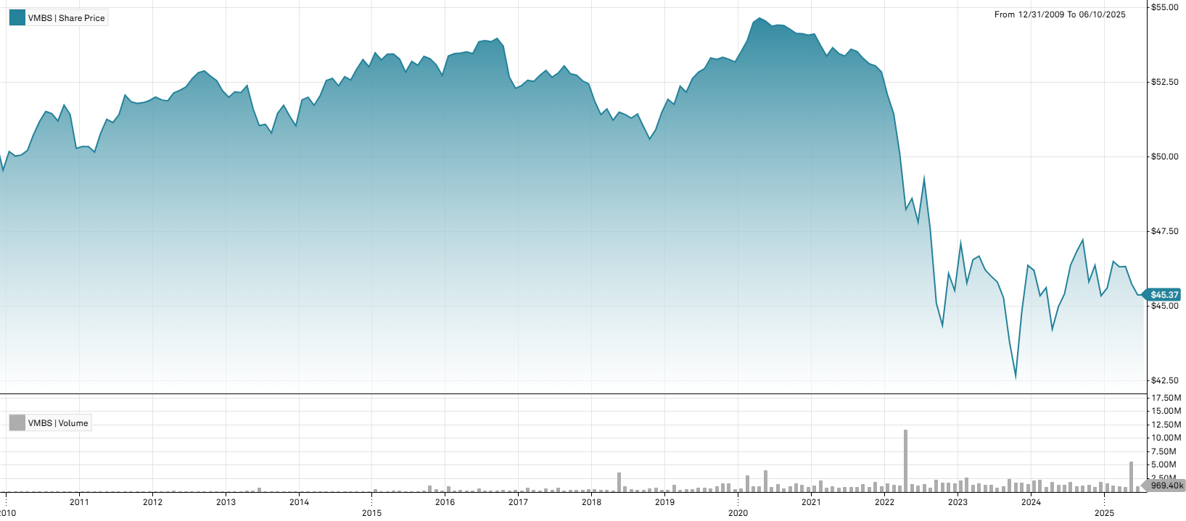
2024-06-28 | 45.40 | 0.96% |  |  | 2018-12-31 | 2018 | -1.81% | 0.0070
2024-05-31 | 44.97 | 1.70% |  |  | 2017-12-29 | 2017 | 0.29% | 0.0033
2024-04-30 | 44.22 | -3.05% |  |  | 2016-12-30 | 2016 | -0.82% | 0.0074
2024-03-28 | 45.61 | 0.60% |  |  | 2015-12-31 | 2015 | -0.55% | 0.0053
2024-02-29 | 45.34 | -1.84% |  |  | 2014-12-31 | 2014 | 3.87% | 0.0064
2024-01-31 | 46.19 | -0.37% |  |  | 2013-12-31 | 2013 | -2.24% | 0.0074
2023-12-29 | 46.36 | 3.48% | 1.85% | 0.02573 | 2012-12-31 | 2012 | 0.62% | 0.0035
2023-11-30 | 44.80 | 4.99% |  |  | 2011-12-30 | 2011 | 3.18% | 0.0057
2023-10-31 | 42.67 | -2.54%
2023-09-29 | 43.78 | -3.31%
2023-08-31 | 45.28 | -1.14%
2023-07-31 | 45.80 | -0.41%
2023-06-30 | 45.99 | -0.48%
2023-05-31 | 46.21 | -0.99%
2023-04-28 | 46.67 | 0.26%
2023-03-31 | 46.55 | 1.70%
2023-02-28 | 45.77 | -2.80%
2023-01-31 | 47.09 | 3.45%
2022-12-30 | 45.52 | -1.24% | -13.85% | 0.02539
2022-11-30 | 46.09 | 3.92%
2022-10-31 | 44.35 | -1.64%
2022-09-30 | 45.09 | -5.19%
2022-08-31 | 47.56 | -3.41%
2022-07-29 | 49.24 | 2.99%
2022-06-30 | 47.81 | -1.63%
2022-05-31 | 48.60 | 0.77%
2022-04-29 | 48.23 | -3.73%
2022-03-31 | 50.10 | -2.60%
2022-02-28 | 51.44 | -1.19%
2022-01-31 | 52.06 | -1.48%
2021-12-31 | 52.84 | -0.38% | -2.27% | 0.00366
2021-11-30 | 53.04 | -0.13%
2021-10-29 | 53.11 | -0.34%
2021-09-30 | 53.29 | -0.43%
2021-08-31 | 53.52 | -0.15%
2021-07-30 | 53.60 | 0.43%
2021-06-30 | 53.37 | -0.16%
2021-05-28 | 53.46 | -0.36%
2021-04-30 | 53.65 | 0.52%
2021-03-31 | 53.37 | -0.67%
2021-02-26 | 53.73 | -0.70%
2021-01-29 | 54.11 | 0.07%
2020-12-31 | 54.07 | -0.09% | 1.69% | 0.00436
2020-11-30 | 54.12 | -0.02%
2020-10-30 | 54.13 | -0.26%
2020-09-30 | 54.27 | -0.22%
2020-08-31 | 54.39 | -0.04%
2020-07-31 | 54.41 | 0.07%
2020-06-30 | 54.37 | -0.31%
2020-05-29 | 54.54 | -0.18%
2020-04-30 | 54.64 | 0.26%
2020-03-31 | 54.50 | 1.13%
2020-02-28 | 53.89 | 0.69%
2020-01-31 | 53.52 | 0.66%
2019-12-31 | 53.17 | -0.17% | 3.26% | 0.00498
2019-11-29 | 53.26 | -0.13%
2019-10-31 | 53.33 | 0.13%
2019-09-30 | 53.26 | -0.09%
2019-08-30 | 53.31 | 0.68%
2019-07-31 | 52.95 | 0.23%
2019-06-28 | 52.83 | 0.42%
2019-05-31 | 52.61 | 0.86%
2019-04-30 | 52.16 | -0.38%
2019-03-29 | 52.36 | 1.18%
2019-02-28 | 51.75 | -0.33%
2019-01-31 | 51.92 | 0.84%
2018-12-31 | 51.49 | 1.14% | -1.81% | 0.00699
2018-11-30 | 50.91 | 0.63%
2018-10-31 | 50.59 | -0.80%
2018-09-28 | 51 | -0.84%
2018-08-31 | 51.43 | 0.27%
2018-07-31 | 51.29 | -0.23%
2018-06-29 | 51.41 | -0.16%
2018-05-31 | 51.49 | 0.53%
2018-04-30 | 51.22 | -0.74%
2018-03-29 | 51.60 | 0.37%
2018-02-28 | 51.41 | -0.85%
2018-01-31 | 51.85 | -1.13%
2017-12-29 | 52.44 | -0.19% | 0.29% | 0.00326
2017-11-30 | 52.54 | -0.36%
2017-10-31 | 52.73 | -0.09%
2017-09-29 | 52.78 | -0.49%
2017-08-31 | 53.04 | 0.45%
2017-07-31 | 52.80 | 0.27%
2017-06-30 | 52.66 | -0.43%
2017-05-31 | 52.89 | 0.32%
2017-04-28 | 52.72 | 0.38%
2017-03-31 | 52.52 | -0.08%
2017-02-28 | 52.56 | 0.34%
2017-01-31 | 52.38 | 0.17%
2016-12-30 | 52.29 | -0.70% | -0.82% | 0.00742
2016-11-30 | 52.66 | -1.94%
2016-10-31 | 53.70 | -0.48%
2016-09-30 | 53.96 | 0.20%
2016-08-31 | 53.85 | -0.07%
2016-07-29 | 53.89 | 0.07%
2016-06-30 | 53.85 | 0.75%
2016-05-31 | 53.45 | -0.11%
2016-04-29 | 53.51 | 0.07%
2016-03-31 | 53.47 | 0.04%
2016-02-29 | 53.45 | 0.15%
2016-01-29 | 53.37 | 1.23%
2015-12-31 | 52.72 | -0.68% | -0.55% | 0.00528
2015-11-30 | 53.08 | -0.38%
2015-10-30 | 53.28 | -0.15%
2015-09-30 | 53.36 | 0.57%
2015-08-31 | 53.06 | -0.25%
2015-07-31 | 53.19 | 0.68%
2015-06-30 | 52.83 | -0.83%
2015-05-29 | 53.27 | -0.32%
2015-04-30 | 53.44 | 0.02%
2015-03-31 | 53.43 | 0.36%
2015-02-27 | 53.24 | -0.45%
2015-01-30 | 53.48 | 0.89%
2014-12-31 | 53.01 | -0.45% | 3.87% | 0.00644
2014-11-28 | 53.25 | 0.59%
2014-10-31 | 52.94 | 0.70%
2014-09-30 | 52.57 | -0.21%
2014-08-29 | 52.68 | 0.59%
2014-07-31 | 52.37 | -0.48%
2014-06-30 | 52.62 | 0.13%
2014-05-30 | 52.55 | 0.96%
2014-04-30 | 52.05 | 0.64%
2014-03-31 | 51.72 | -0.52%
2014-02-28 | 51.99 | 0.17%
2014-01-31 | 51.90 | 1.70%
2013-12-31 | 51.03 | -0.62% | -2.24% | 0.00745
2013-11-29 | 51.35 | -0.72%
2013-10-31 | 51.72 | 0.52%
2013-09-30 | 51.45 | 1.30%
...

VNQ REIT data
Full year | Year | Returns (%) | StDev
2025-06-09 | 2024 | 7.44% | 0.0449 | Vanguard Specialized Funds - Vanguard Real Estate ETF | Stock Chart
2024-06-28 | 2023 | 0.24% | 0.0593
2023-06-30 | 2022 | -8.29% | 0.0693 | ARCA:VNQ (MI Key: 5724522; SPCIQ Key: 22939711)
2022-06-30 | 2021 | -10.49% | 0.0582
2021-06-30 | 2020 | 29.62% | 0.0372 | See Data Tab for underlying data
2020-06-30 | 2019 | -10.15% | 0.0679
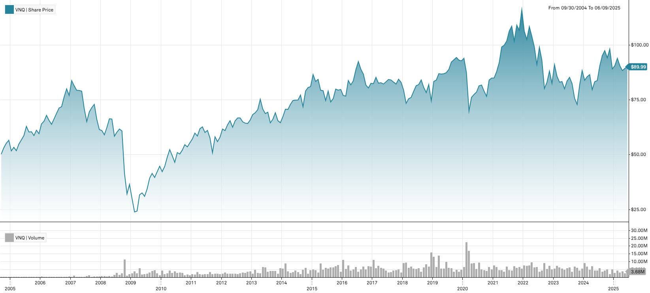
2019-06-28 | 2018 | 7.31% | 0.0485
2018-06-29 | 2017 | -2.14% | 0.0321
2017-06-30 | 2016 | -6.14% | 0.0293
2016-06-30 | 2015 | 18.72% | 0.0434
2015-06-30 | 2014 | -0.20% | 0.0489
2014-06-30 | 2013 | 8.91% | 0.0364
2013-06-28 | 2012 | 5.03% | 0.0322
2012-06-29 | 2011 | 8.87% | 0.0648
...

QAI HYLI HF data
Year | Returns (%) | StDev
2024 | 4.35% | 0.0157 | New York Life Investments ETF Trust - NYLI Hedge Multi-Strategy Tracker ETF | Stock Chart
2023 | 5.76% | 0.0164
2022 | -10.47% | 0.0232 | ARCA:QAI (MI Key: 5729269; SPCIQ Key: 54340365)
2021 | -0.44% | 0.0076
2020 | 3.67% | 0.0233 | See Data Tab for underlying data
2019 | 6.65% | 0.0100
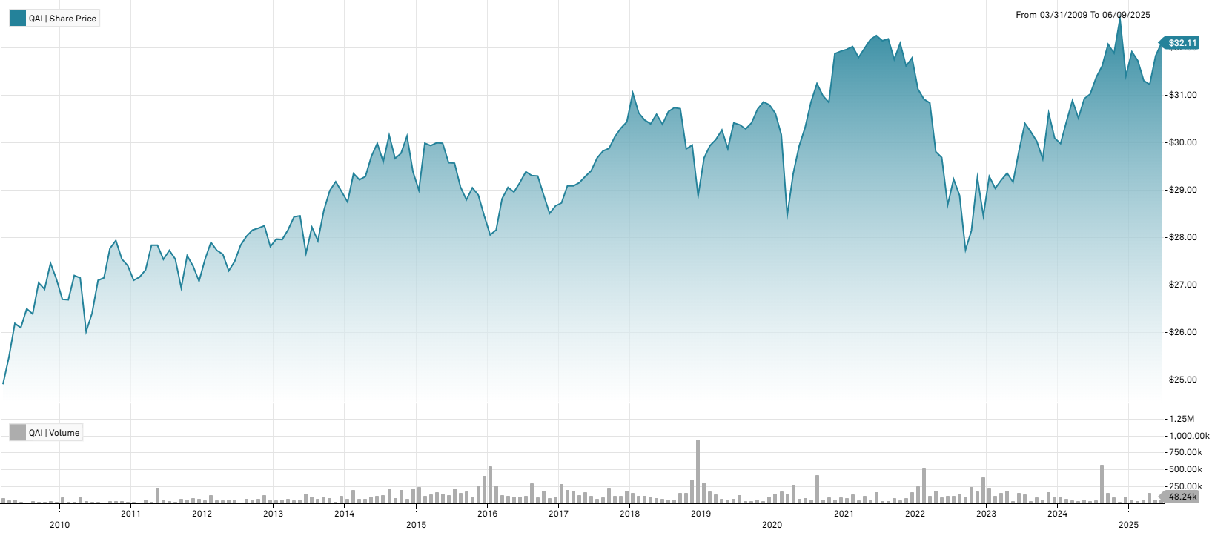
2018 | -5.12% | 0.0148
2017 | 6.17% | 0.0034
2016 | 0.74% | 0.0106
2015 | -3.16% | 0.0134
2014 | 1.45% | 0.0140
2013 | 4.17% | 0.0134
2012 | 2.70% | 0.0097
2011 | -1.20% | 0.0131
...

IXC Energy Data
Year | Returns (%) | StDev
2024 | -2.38% | 0.0438 | iShares Trust - iShares Global Energy ETF | Stock Chart
2023 | 0.31% | 0.0447
2022 | 41.73% | 0.1027 | ARCA:IXC (MI Key: 5721860; SPCIQ Key: 8798081)
2021 | 35.45% | 0.0599
2020 | -34.12% | 0.1432 | See Data Tab for underlying data
2019 | 5.04% | 0.0494
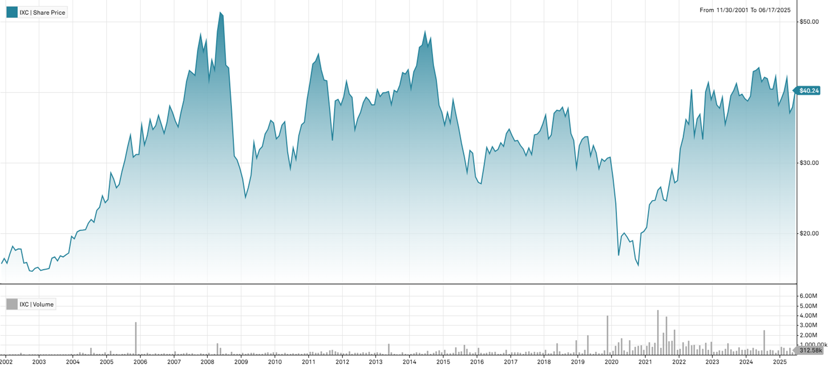
2018 | -17.44% | 0.0587
2017 | 2.16% | 0.0340
2016 | 24.15% | 0.0408
2015 | -24.63% | 0.0649
2014 | -13.95% | 0.0504
2013 | 12.99% | 0.0291
2012 | 0.16% | 0.0451
2011 | -2.23% | 0.0731
...

RLY Multi Asset Data
Year | Returns (%) | StDev
2024 | -0.73% | 0.0294 | SSGA Active Trust - SPDR SSGA Multi-Asset Real Return ETF | Stock Chart
2023 | -1.16% | 0.0353
2022 | 2.00% | 0.0588 | ARCA:RLY (MI Key: 5733158; SPCIQ Key: 204729390)
2021 | 9.49% | 0.0343
2020 | -2.95% | 0.0666 | See Data Tab for underlying data
2019 | 11.69% | 0.0289
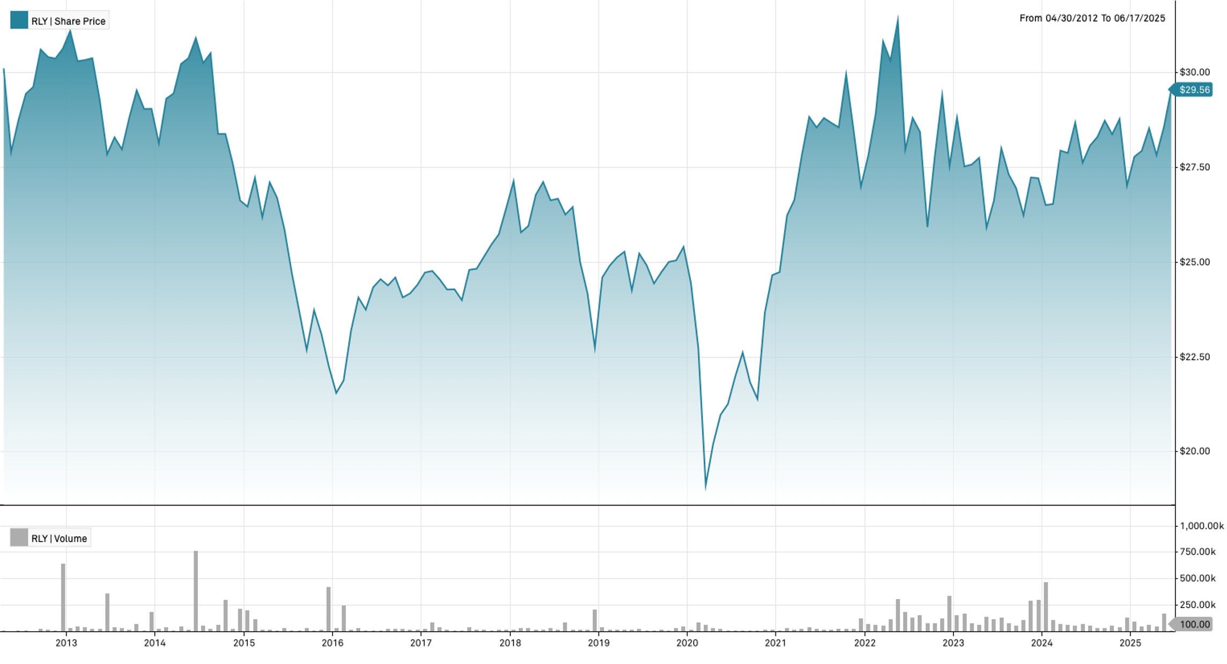
2018 | -13.92% | 0.0301
2017 | 8.28% | 0.0137
2016 | 9.71% | 0.0242
2015 | -16.45% | 0.0315
2014 | -8.36% | 0.0298
2013 | -5.16% | 0.0235
...

